LPI Calculator
. . . . . . . . . . . . . . . . . . . . . . . . . . . . . . . . . . . . . . . . . . . . . . . . . . . . . . . . . . . . . . . . . . . . . . . . . . . . . . . . . . . . . . . . . . . . . . . . . . . . . . . . . . . . . . . . . . . . . . . . . . .
LPI - Decision Calculator |  |  |  |  |  |  |  |  |  |  |  | *** Enter changes to values to items in BLUE only *** |  |  |  |  |  |  |  | Printed: | 2025-02-12
 |  |  |  |  |  |  |  |  |  |  |  |  |  |  |  |  |  |  |  |  |  | January | February | March | April | May | June | July | August | September | October | November | December
Step #1: LPI Premium Table |  |  |  |  |  |  |  |  |  |  |  |  |  |  |  |  |  |  |  |  |  | 1 | 2 | 3 | 4 | 5 | 6 | 7 | 8 | 9 | 10 | 11 | 12 | 13 | 14 | 15 | 16 | 17 | 18 | 19 | 20 | 21 | 22 | 23 | 24 | 25 | 26 | 27 | 28 | 29 | 30 | 31

Click here to go to User Guide
 |  |  |  |  | Premium Table as of: | February | 4
 |  | $ / cwt
Insured Index ($/cwt) |  | $426 | $424 | $422 | $420 | $418 | $416 | $414 | $412 | $410 | $408 | $406 | $404 | $402 | $400 | $398 | $396 | $394 | $392 | $390 | $388
Premium ($/cwt) |  | $14.68 | $14.13 | $13.59 | $13.07 | $12.56 | $12.07 | $11.60 | $11.14 | $10.69 | $10.26 | $9.85 | $9.45 | $9.06 | $8.69 | $8.33

Step#2: LPI - Insured Calves on Your Farm

Click here to enter your cow-calf production costs
Insured Weight |  | 575 | lbs |  |  |  | Estimated Settlement Price | $325 | $/cwt
Number of Calves |  | 100 | head
Total Insured Weight |  | 57,500 | lbs

Step#3: LPI Analysis - Premiums & Insured Value

Premium Cost ($/head @ 575 lbs) |  | $84.41 | $81.25 | $78.14 | $75.15 | $72.22 | $69.40 | $66.70 | $64.06 | $61.47 | $59.00 | $56.64 | $54.34 | $52.10 | $49.97 | $47.90
Insured Value ($/head @ 575 lbs) |  | $2,450 | $2,438 | $2,427 | $2,415 | $2,404 | $2,392 | $2,381 | $2,369 | $2,358 | $2,346 | $2,335 | $2,323 | $2,312 | $2,300 | $2,289

Premium Cost (% of Insured Value) |  | 3.45% | 3.33% | 3.22% | 3.11% | 3.00% | 2.90% | 2.80% | 2.70% | 2.61% | 2.51% | 2.43% | 2.34% | 2.25% | 2.17% | 2.09%

Total Premium (100 calves) |  | $8,441 | $8,125 | $7,814 | $7,515 | $7,222 | $6,940 | $6,670 | $6,406 | $6,147 | $5,900 | $5,664 | $5,434 | $5,210 | $4,997 | $4,790
Total Insured Value (100 calves) |  | $244,950 | $243,800 | $242,650 | $241,500 | $240,350 | $239,200 | $238,050 | $236,900 | $235,750 | $234,600 | $233,450 | $232,300 | $231,150 | $230,000 | $228,850

Incremental Coverage Cost (compared to next lower level)
 | Cost per $1 of Increased Coverage | $0.28 | $0.27 | $0.26 | $0.26 | $0.25 | $0.24 | $0.23 | $0.23 | $0.21 | $0.21 | $0.20 | $0.19 | $0.19 | $0.18

Step#4: Estimated LPI Payments & Production Costs Not Covered Analysis

LPI Payment at Estimated Settlement Price = $325/cwt
 | LPI ($ per Head) | $581 | $569 | $558 | $546 | $535 | $523 | $512 | $500 | $489 | $477 | $466 | $454 | $443 | $431 | $420
 | Total LPI ($ per 100 calves) | $58,075 | $56,925 | $55,775 | $54,625 | $53,475 | $52,325 | $51,175 | $50,025 | $48,875 | $47,725 | $46,575 | $45,425 | $44,275 | $43,125 | $41,975

Costs per Head (incl. LPI Premium) Not Covered By the LPI Insured Value
 | Operating Costs | - | - | - | - | - | - | - | - | - | - | - | - | - | - | -
 | Operating & Labour Costs | - | - | - | - | - | - | - | - | - | - | - | - | - | - | -
 | Operating & Fixed Costs | - | - | - | - | - | - | - | - | - | - | - | - | - | - | -
 | Total Costs | - | - | - | - | - | - | - | - | - | - | - | - | - | - | -

Step#5: Profitability Analysis

Marginal Returns (based on Est. Settlement Price @ $325/cwt + LPI Payment per head)
 | Over Operating Costs | $1,278 | $1,270 | $1,261 | $1,253 | $1,244 | $1,235 | $1,227 | $1,218 | $1,209 | $1,200 | $1,191 | $1,181 | $1,172 | $1,163 | $1,153
 | Over Operating & Labour Costs | $1,116 | $1,108 | $1,099 | $1,091 | $1,082 | $1,073 | $1,065 | $1,056 | $1,047 | $1,038 | $1,029 | $1,019 | $1,010 | $1,001 | $991
 | Over Operating & Fixed Costs | $1,025 | $1,017 | $1,009 | $1,000 | $992 | $983 | $974 | $965 | $956 | $947 | $938 | $929 | $920 | $910 | $901
 | Over Total Costs (Net Profit) | $863 | $855 | $847 | $838 | $830 | $821 | $812 | $803 | $794 | $785 | $776 | $767 | $758 | $748 | $739

Analysis Formulas Used:

Premium Cost ($/head) = Insured Weight (cwt) x Premium ($/cwt) (eg. (575lbs /100) x $11.14 = $64.06) |  |  |  |  |  |  |  |  |  |  |  |  |  |  |  |  | Estimated Potential Market Price | $400 | $/cwt
Insured Value ($/head) = Insured Index ($/cwt) x Insured Weight (cwt) (eg. $412 x (575lbs/100) = $2369) |  |  |  |  |  |  |  |  |  |  |  |  |  |  |  | (used for Risk & Reward analysis below)
Premium Cost (% of Insured Value) = Premium Cost ($/head) / Insured Value ($/head) (eg. $64.06 / $2369 = 2.7%),2
Incremental Coverage Cost (per $1 of Inc. Coverage) = (Premium Cost - Premium Cost (lower level) / (Insured Value - Insured Value (lower level)) (eg. ($64.06 - $61.47) / ($2369 - $2357.5) = $.23)
LPI Payment ($/head) = (Insured Index ($/cwt) - Estimated Settlement Price ($/cwt))) x (Insured Weight (lbs)/100) (eg. ($412 - $325) x (575 lbs/100) = $500.25)
Cost Not Covered by LPI Insured Value ($/head) = Cost of Production ($/head) + LPI Premium ($/head) - LPI Insured Value ($/head) (eg. $1502 + $64.06 - $2369 = $0)
Marginal Return ($/head) = ((Est. Settlement Price ($/cwt) x (Insured Weight (lbs) / 100)) + LPI Payment ($/head) - (Costs ($/head) + LPI Premium($/head))) (eg. (($325 x (575 lbs/100)) + $535 - ($1502 + $72.22) = $829.57)

Costs Not Covered By LPI Insured Value
 | Operating Costs | Fixed Costs | Labour
$426 | #N/A | #N/A | #N/A
$424 | #N/A | #N/A | #N/A
$422 | #N/A | #N/A | #N/A
$420 | #N/A | #N/A | #N/A
$418 | #N/A | #N/A | #N/A
$416 | #N/A | #N/A | #N/A
$414 | #N/A | #N/A | #N/A
$412 | #N/A | #N/A | #N/A
$410 | #N/A | #N/A | #N/A
$408 | #N/A | #N/A | #N/A
$406 | #N/A | #N/A | #N/A
$404 | #N/A | #N/A | #N/A
$402 | #N/A | #N/A | #N/A
$400 | #N/A | #N/A | #N/A
$398 | #N/A | #N/A | #N/A
$396 | #N/A | #N/A | #N/A
$394 | #N/A | #N/A | #N/A
$392 | #N/A | #N/A | #N/A
$390 | #N/A | #N/A | #N/A
$388 | #N/A | #N/A | #N/A
LPI - Risk & Reward Analysis
 | Return on Investment (Reward) @ Est. Mkt. Price $400/cwt | LPI Coverage of Total Costs (Risk)
$426 | 53.16% | 163.11%
$424 | 53.16% | 162.35%
$422 | 53.16% | 161.58%
$420 | 53.16% | 160.82%
$418 | 53.16% | 160.05%
$416 | 53.16% | 159.29%
$414 | 53.16% | 158.52%
$412 | 53.16% | 157.75%
$410 | 53.16% | 156.99%
$408 | 53.16% | 156.22%
$406 | 53.16% | 155.46%
$404 | 53.16% | 154.69%
$402 | 53.16% | 153.92%
$400 | 53.16% | 153.16%
$398 | 53.16% | 152.39%
$396 | 53.16% | #N/A
$394 | 53.16% | #N/A
$392 | 53.16% | #N/A
$390 | 53.16% | #N/A
$388 | 53.16% | #N/A
LPI - Insured Value Analysis
 | Cost per $1 of Increased Coverage | Premium Cost (% of Insured Value)
$426 | $0.28 | 3.45%
$424 | $0.27 | 3.33%
$422 | $0.26 | 3.22%
$420 | $0.26 | 3.11%
$418 | $0.25 | 3.00%
$416 | $0.24 | 2.90%
$414 | $0.23 | 2.80%
$412 | $0.23 | 2.70%
$410 | $0.21 | 2.61%
$408 | $0.21 | 2.51%
$406 | $0.20 | 2.43%
$404 | $0.19 | 2.34%
$402 | $0.19 | 2.25%
$400 | $0.18 | 2.17%
$398 | $0.00 | 2.09%
$396 | $0.00 | #N/A
$394 | $0.00 | #N/A
$392 | $0.00 | #N/A
$390 | $0.00 | #N/A
$388 | $0.00 | #N/A

LPI - Per Head
 | Total Costs per Head (incl. LPI Premium) Not Covered By the LPI Insured Value | Net Profit (based on Est. Settlement Price @ $325/cwt + LPI Payment per head) | Marginal Return Over Operating & Fixed Costs (based on Est. Settlement Price @ $325/cwt + LPI Payment per head) | Op. & Fixed Costs per Head (incl. LPI Premium) Not Covered By the LPI Insured Value
 | #N/A | $863.38 | $1,025.38 | #N/A
 | #N/A | $855.05 | $1,017.05 | #N/A
 | #N/A | $846.65 | $1,008.65 | #N/A
 | #N/A | $838.14 | $1,000.14 | #N/A
 | #N/A | $829.57 | $991.57 | #N/A
 | #N/A | $820.89 | $982.89 | #N/A
 | #N/A | $812.09 | $974.09 | #N/A
 | #N/A | $803.24 | $965.24 | #N/A
 | #N/A | $794.33 | $956.33 | #N/A
 | #N/A | $785.30 | $947.30 | #N/A
 | #N/A | $776.16 | $938.16 | #N/A
 | #N/A | $766.96 | $928.96 | #N/A
 | #N/A | $757.70 | $919.70 | #N/A
 | #N/A | $748.33 | $910.33 | #N/A
 | #N/A | $738.90 | $900.90 | #N/A
 | #N/A | #N/A | #N/A | #N/A
 | #N/A | #N/A | #N/A | #N/A
 | #N/A | #N/A | #N/A | #N/A
 | #N/A | #N/A | #N/A | #N/A
 | #N/A | #N/A | #N/A | #N/A
LPI - Monetizing Risk & Reward ($/cwt)
 | $/cwt LPI Covered Risk | $/cwt Exposed Risk | $/cwt Reward @ Est. Mkt. Price $400/cwt
$426 | $261 | $0 | $138.83
$424 | $261 | $0 | $138.83
$422 | $261 | $0 | $138.83
$420 | $261 | $0 | $138.83
$418 | $261 | $0 | $138.83
$416 | $261 | $0 | $138.83
$414 | $261 | $0 | $138.83
$412 | $261 | $0 | $138.83
$410 | $261 | $0 | $138.83
$408 | $261 | $0 | $138.83
$406 | $261 | $0 | $138.83
$404 | $261 | $0 | $138.83
$402 | $261 | $0 | $138.83
$400 | $261 | $0 | $138.83
$398 | $261 | $0 | $138.83
$396 | $261 | $0 | $138.83
$394 | $261 | $0 | $138.83
$392 | $261 | $0 | $138.83
$390 | $261 | $0 | $138.83
$388 | $261 | $0 | $138.83

Note: This budget is only a guide and is not intended as an in-depth study of the cost of production of this industry. Interpretation and use of this information is the responsibility of the user

 |  |  |  |  |  |  |  |  |  |  |  |  |  |  |  |  |  |  |  |  | February, 2025

User Guide
Back to LPI page

LPI Decision Calculator - User Guide
LPI Decision Calculator can be used by Manitoba farm producers to assist in the determination the LPI coverage levels to manage livestock price risk by setting a 'floor price' for their farm. Follow the steps below to successfully use the calculator for your farm.

Step #1 - LPI Premium Table:
 | Go to LPI - Calf website
 | Click on Premiums and Settlements:
 |  | Premiums - to get current LPI Premiums, select program - from the dropdown menu (ie. 'LPI-Calf'), select option - from the dropdown menu (ie. 'SaskMan'), select date, and click the green 'Go' button.

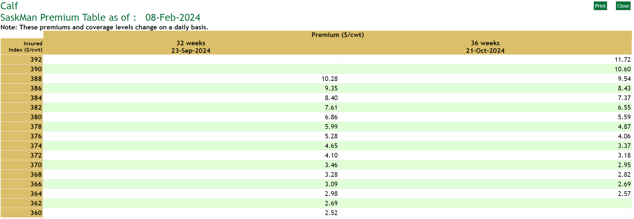
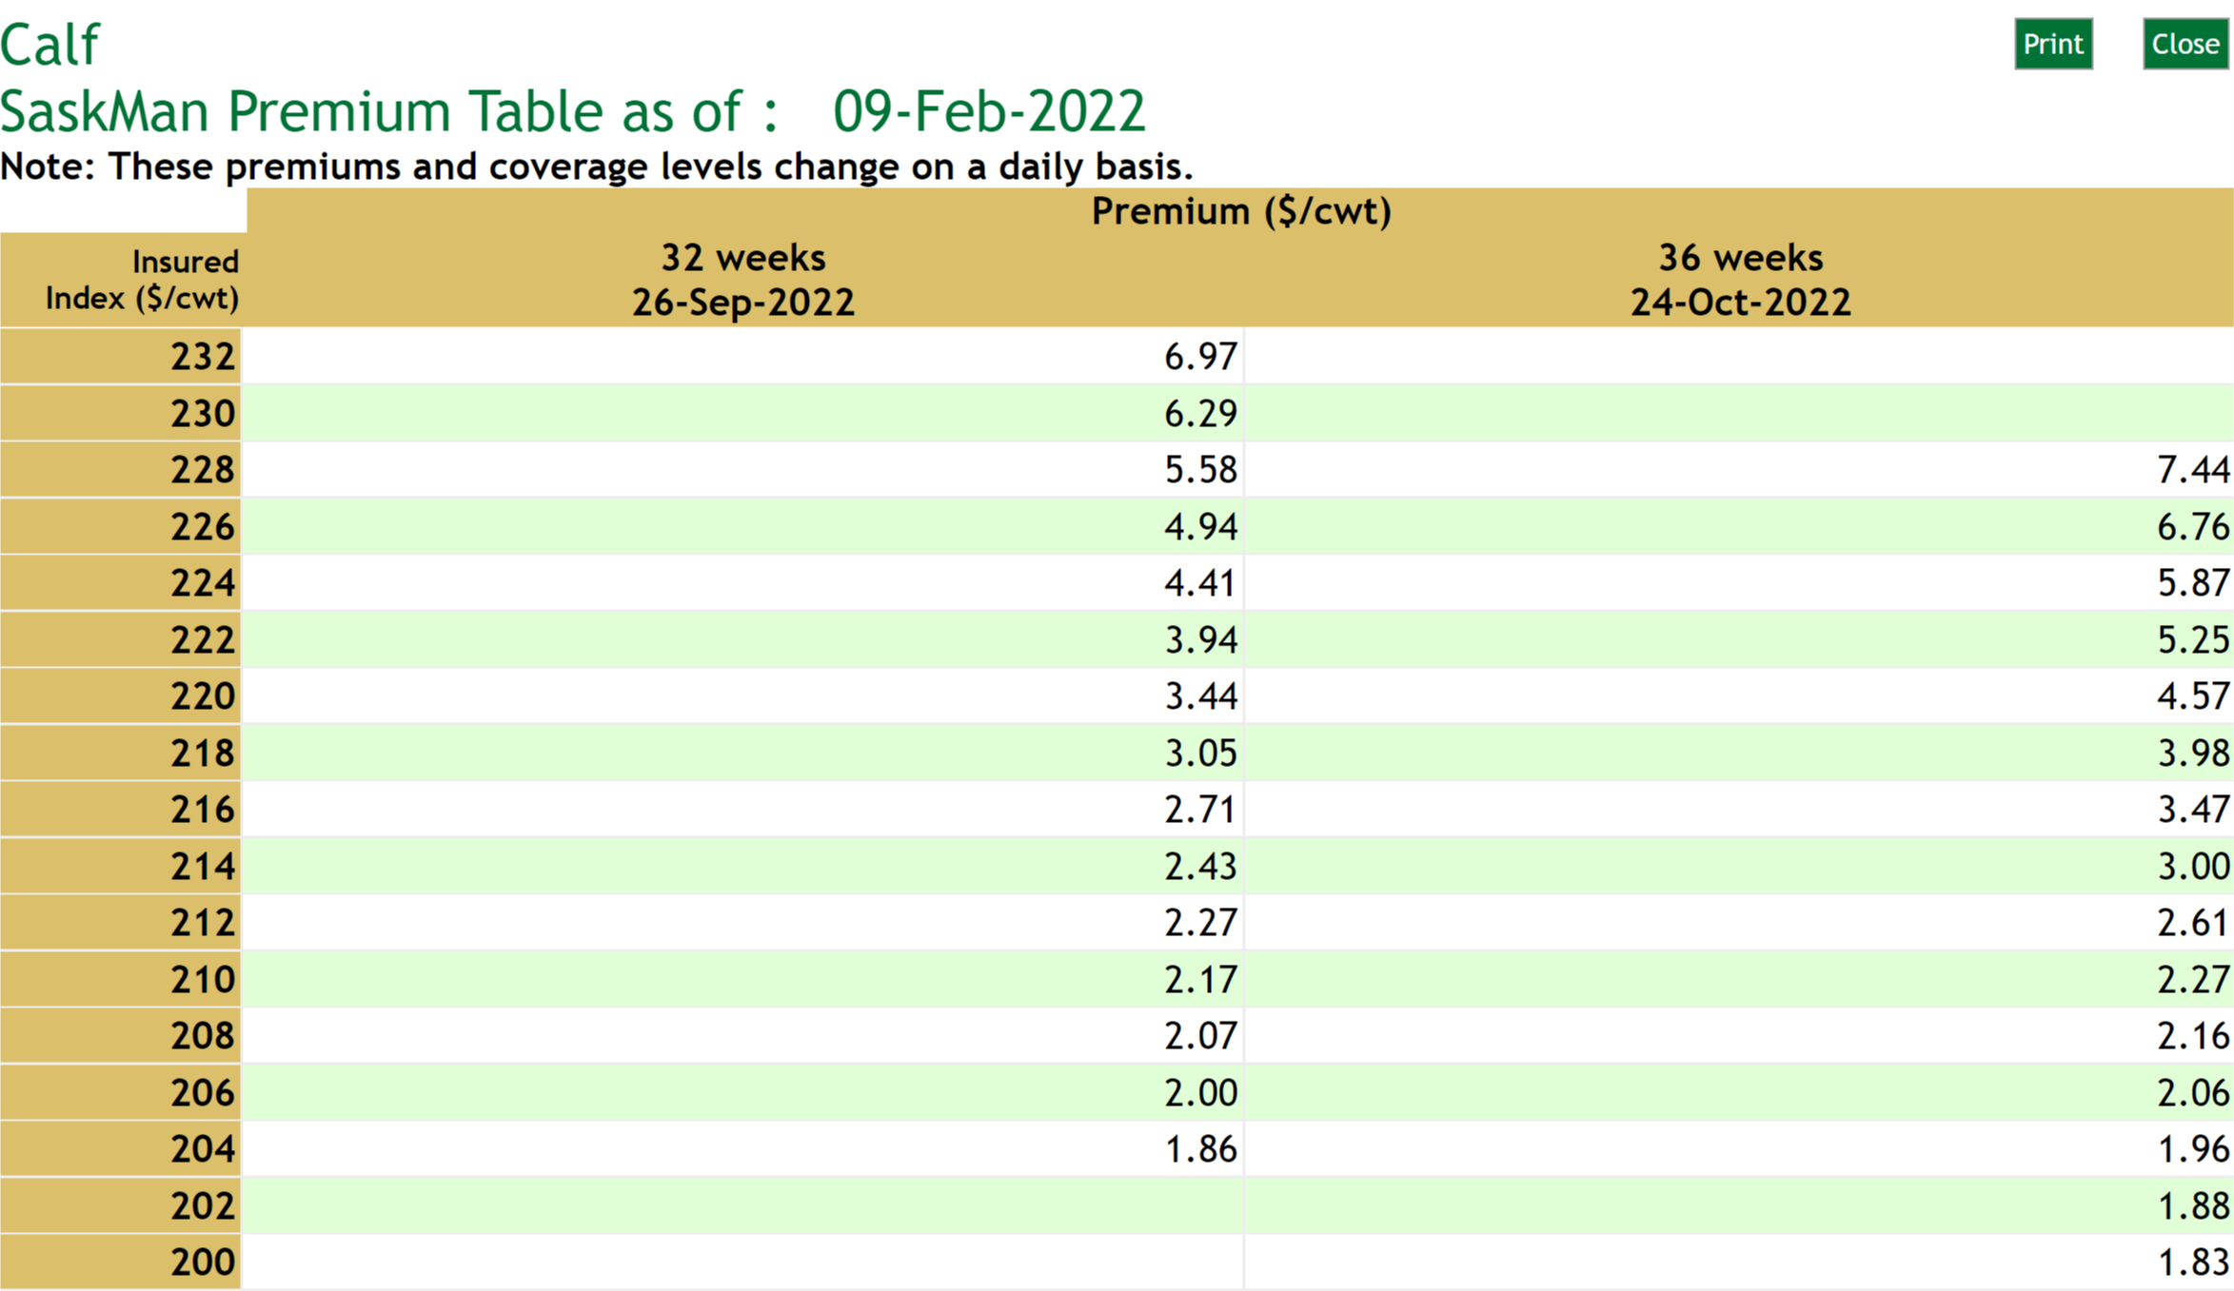

 |  | Enter Insured Index ($/cwt)

 |  | Enter the highest LPI Insured Index for the time period you would like to chose into the calculator. For example, the 36 weeks 04-Feb-2025 highest Insured Index is $426 ($/cwt).

 |  | Enter Premiums ($/cwt)
 |  | Enter the corresponding LPI Premiums ($/cwt) for each Insured Index price into the calculator. For example, the 36 weeks 04-Feb-2025, $426 ($/cwt) premium is $14.68 ($/cwt)

Step #2 - LPI Insured Calves on Your Farm:
 |  | Enter Insured Weight (lbs)
 |  | Enter the Insured Weight (lbs) in the calculator. This could be the average calf market weight per head on your farm, for example - 575 lbs or simply the number of pounds per head that you would like to insure, for example - 100 lbs.

 |  | Enter Number of Calves (head)
 |  | Enter the number of Calves (head) in the calculator. This could be the total number of market calves on your farm, for example - 100 head or simply the number of head that you would like to insure, for example - 10 head.

 |  | Total Insured Weight (lbs)
 |  | Total Insured Weight for your farm - is now calculated at 57,500 lbs.
 |  | Enter Estimated Settlement Price ($/cwt)
 |  | Enter a potential Settlement Price ($/cwt) in the calculator. This would ususally be a value below the highest insured index. For example - $325/cwt. This is used to estimate potential LPI program payments at a lower market price.

 |  | Review Cow-calf Cost of Production Values
 |  | Review and update the cow-calf production costs for your farm. The feed cost is $456/cow, total operating cost including feed is $1087/cow, fixed cost is $253/cow, labour cost is $162/cow and total cost cost is $1502/cow.

 |  | Review your breakeven prices - over operating cost is $199/cwt, over operating and fixed costs is $245/cwt, and over operating, fixed and labour costs is $275/cwt. Knowing your farm's breakeven prices can help determine LPI Insured Index ($/cwt) that adequately manages both your risk and liabilities.

Step #3 - LPI Analysis - Premiums & Insured Value:
 |  | Review Premium Cost
 |  | Premium Cost ($/head) = Insured Weight (cwt) x Premium ($/cwt) (eg. (575lbs /100) x $11.14 = $64.06)
 |  | Review Insured Value
 |  | Insured Value ($/head) = Insured Index ($/cwt) x Insured Weight (cwt) (eg. $412 x (575lbs/100) = $2369)
 |  | Review Premium Cost
 |  | Premium Cost (% of Insured Value) = Premium Cost ($/head) / Insured Value ($/head) (eg. $64.06 / $2369 = 2.7%),2

 |  | Review Total Premium Cost
 |  | Total premium - if you have a maximum dollar amount that you have decided on for LPI, note the insured index ($/cwt) review the analysis in Step#4 and determine if it is a suitable level of risk coverage for your farm.

 |  | Review Incremental Coverage Cost Cost
 |  | The cost per dollar of increased coverage to move up from the next lower coverage level to a higher level of coverage.

 |  | Incremental Coverage Cost (per $1 of Inc. Coverage) = (Premium Cost - Premium Cost (lower level) / (Insured Value - Insured Value (lower level)) (eg. ($64.06 - $61.47) / ($2369 - $2357.5) = $.23)

Step #4 - Estimated WLPIP Payments & Production Costs Not Covered:
 |  | Review Estimated LPI Payment
 |  | LPI Payment at Estimated Settlement Price = $325/cwt on a per head and total basis.
 |  | LPI Payment ($/head) = (Insured Index ($/cwt) - Estimated Settlement Price ($/cwt))) x (Insured Weight (lbs)/100) (eg. ($412 - $325) x (575 lbs/100) = $500.25)

 |  | Review Production Costs Not Covered by the LPI Insured Price
 |  | Cost Not Covered by LPI Insured Value ($/head) = Cost of Production ($/head) + LPI Premium ($/head) - LPI Insured Value ($/head) (eg. $1502 + $64.06 - $2369 = $0)

 |  | Knowing your farm's operating, fixed and labour costs not covered by each LPI Insured Price alongside your breakeven prices (in Step#2 above) can help you determine a LPI Insured Index ($/cwt) that adequately manages both your risk and liabilities.

Step #5 - Profitability Analysis:
 |  | Review Marginal Returns (Profitability)
 |  | Marginal Return ($/head) = ((Est. Settlement Price ($/cwt) x (Insured Weight (lbs) / 100)) + LPI Payment ($/head) - (Costs ($/head) + LPI Premium($/head))) (eg. (($325 x (575 lbs/100)) + $535 - ($1502 + $72.22) = $829.57)

 |  | Knowing your farms profitability at the estimated settlement price plus the LPI payment can help you determine a LPI Insured Index ($/cwt) that adequately manages both your risk and liabilities.

Cost of Production
Back to LPI page
Back to User Guide

Cow-Calf Production Costs - Input

Guidelines for Estimating Beef Cow-Calf Production Costs
For more information on production costs,

A. Operating Costs |  | Cost/Cow
 | 1. Feed Costs
 | 1.01 Grain and Concentrates | $83.07
 | 1.02 Forages | $288.78
 | 1.03 Salt & Minerals | $42.09
 | 1.04 Extended Grazing Forages | $41.65
 | Total Feed Cost | $455.59

 | 2. Other Operating Costs
 | 2.01 Straw | $70.00
 | 2.02 Veterinary Medicine & Supplies | $25.34
 | 2.03 Breeding Costs | $55.70
 | 2.04 Fuel, Maintenance & Repairs | $34.11
 | 2.05 Utilities | $9.69
 | 2.06 Marketing & Transportation | $37.76
 | 2.07 Death Loss | $32.50
 | 2.08 Manure Removal | $10.84
 | 2.09 Insurance | $16.38
 | 2.10 Herd Replacement | $148.50
 | 2.11 Pasture Rental | $59.38
 | 2.12 Pasture Operating | $34.77
...

