Forage Supply
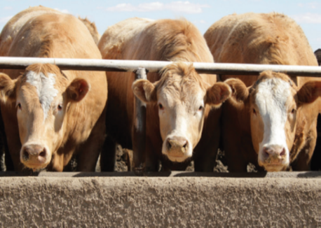
Managing Forage Supplies During Winter

Proper management during periods of tight winter feed supplies is crucial for the survivability and the return to profitability of any livestock operation. This can be a very stressful period, but the ability to critically evaluate one’s situation, determine potential options and solutions, and then follow through with a plan will reduce stress and bring clarity to the management decisions that are required to be made. Answering questions in this factsheet will help identify a potential forage shortfall, while providing options in how to manage these situations.

1. Identify the winter feeding requirements for your farm

What are the winter feeding requirements on your farm? In the table below, identify the types of animals on your farm, how many of each type, their average weight, number of winter feeding days, and the percentage of dry matter (DM) body weight (BW) feed consumption (the default value is 2.5% not accounting for waste during feeding). Multiplying these numbers together, then dividing by 2000 will give you the DM tons required for each type of animal. Add the tons for each animal type together and you will have an accurate estimation of the DM tons required to feed your herd this winter.

 | Animal Type and Weight | A. | B. | C. | D. | = (A x B x C x D%) / 2000
 |  | # head | Weight (lbs.) | Days overwintering | % Body Weight (BW) Feed Consumption | Dry Matter (DM) tons needed
 | Example - Cows | 50 | 1500 | 200 | 2.5 | 187.5
 | Cows
 | Bulls
 | Replacement Heifers
 | Back-grounders
 |  |  |  |  | Total #1 =

Other considerations:
Have you culled your herd appropriately? Open and underperforming cows still require feed throughout the winter. Evaluate the true potential of your herd and cull appropriately.

Considering backgrounding? In times of tight forage supplies, one of the easier ways to extend forage inventory to the breeding herd is to forgo backgrounding. Critically assess the profitability of backgrounding in your livestock operation. Go to Manitoba Agriculture’s for more information.

Guidelines for Estimating Beef Backgrounding Costs

2. Identify how much forage you have available on the farm

What forage do you have available on the farm to feed your herd over the winter? It is important to know both the quantity and quality of the feed you have on hand. Take representative feed samples from your feed inventory, send them to a qualified lab for analysis, and then speak with a nutritionist to interpret the results. Complete the table below for your feed quantities, including the type of forage, the moisture level and the estimated tons on hand. To determine your DM tons available, take your tons on hand for each type of forage and multiply it by the dry matter content (1 minus the average moisture percentage). Then add all the types of forage DM tons for a total for your farm.

 |  | Forage Type | A. | B. | = B x (1 - A%)
 |  |  | Moisture % | Total tons as fed | Total tons DM
 |  | Example - Hay | 12 | 100 | 88
 |  | Alf/Grass Hay | 12
 |  | Corn Silage | 65
 |  | Cereal Silage | 60
 |  | Alfalfa Silage | 60
 |  | Bale Silage | 50
 |  | Greenfeed | 12
 |  |  |  | Total #2 =

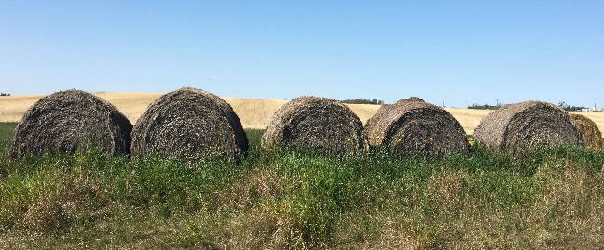
When hay supplies are low, differing options for wintering the cow herd have to be considered. Straw can be used extensively as winter feed if energy, protein, mineral and vitamin requirements are met. Check out Manitoba Agriculture’s resources on:

Resources for Producers Affected by Dry Conditions

Alternative Feeds for Beef Cattle
Stretching Feed When Supplies are Tight
Why Test Feed and Balance Rations

3. Identify your farm's forage surplus or shortfall

Now you know how much forage you need for the winter and how much you have in inventory. Take the amount of Total DM tons on hand (#2) and subtract the Total DM tons needed (#1) in the boxes below. If this number is in the negative, you have a forage shortfall for your herd and plans will need to be developed to deal with this shortfall.

Forage Surplus (or Shortfall) in DM Tons
Total DM Tons on Hand (#2)
Total DM Tons of Feed Needed (#1)

-
=

Example = 88
Example = 187.5
Example = -99.5

If you have a forage shortfall it is important to know that there are still options. Over the next couple of steps we will consider the impact to your livestock operation with purchasing forage and/or a deliberate and managed herd reduction to achieve a sustainable forage balancing for your herd.

4. Considering forage purchases

There are a few things to consider before purchasing forage. Most purchases are made on a price per bale basis. However this does not take into account two large variables – forage quality and bale weight. To truly compare apples to apples when considering forage purchases, the buyer should know the average bale weight to be able to determine a cost per ton (lb, tonne, etc). Furthermore, a feed test should be done to ensure a desired quality and to make sure there are no moulds or other potential detrimental aspects to the forage. To determine the cost of forage, fill in the table below. For each type of forage, determine the tons purchased, the cost per ton and the moisture content. To determine the cost of forages purchased, take the tons purchased and multiply it by the cost per ton, and then add each type of forage purchased for your farm’s total. To determine the amount of DM purchased, take the purchased tons for each type of forage and multiply it by the dry matter content (1 minus the average moisture percentage). Then add each type of forage purchased to calculate your farm’s total.

 | Forage Type | A. | B. | C. | = A x (1 - C%) | = A x B
 |  | Tons Purchased | $/ton | Moisture % | Total tons DM | Cost
 | Example - Hay | 10 | $100 | 12 | 8.8 | $1,000
 | Alf/Grass Hay |  |  | 12
 | Corn Silage |  |  | 65
 | Cereal Silage |  |  | 60
 | Alfalfa Silage |  |  | 60
 | Bale Silage |  |  | 50
 | Greenfeed |  |  | 12
 |  |  |  | Total #4 =

Take the Total DM Tons purchased (#4) and add it to the Forage Surplus (Shortfall) amount calculated in Step 3. This number is now your Forage Surplus (Shortfall) in DM tons after feed purchases

Forage Surplus (or Shortfall) in DM Tons
Forage Surplus (or Shortfall) after feed purchases in DM Tons
Total DM Tons Purchased (#4)

+
=

Example = 8.8
Example = -99.5
Example = -90.7

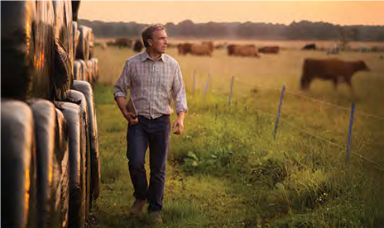
 |  |  | If you are still in a forage shortfall situation, you will need to consider further forage purchases. If cash flow and accessibility of funds is an issue, you should consult with your lender and business consultant. If you feel additional forage purchases are not viable, then you may want to consider a herd reduction to lower the winter feeding requirements on your livestock operation.

 |  |  | Check out Manitoba Agriculture’s resources on:
Feed Ingredient Cost Calculator
Alfalfa Hay Production Costs
Hay Listing Service

5. Considering a planned and managed herd reduction

A decision to reduce your herd size is a difficult one to make. Selling your herd that has taken a lifetime to build can cause feelings of failure and create great amounts of stress. Carefully consider your options, and seek out assistance from your advisors to ensure the decision you make is the right one. Postponing a sale could erode equity and create animal welfare issues. Making an effective decision on a herd reduction now may allow you to increase your herd size in the future. To determine the reduction in forage DM tons with a herd reduction, take the number of head for each type of animal, and determine the DM forage tons as outlined in the first table on page 1. Add the reduction in forage DM tons for each type of animal on your farm and this will give you the total forage requirement reduction in DM tons. Compare this to your forage inventories to determine if you are still in a forage shortfall.

Animal Type and Weight | A. | B. | C. | = A - C | D. | = C x D | = (B x C x Days Overwintering x BW%) / 2000
 | # head | Weight (lbs.) | # of head sold | Remaining # | $/head (sale) | Total Sales | DM Ton Reduction
Example - Cows | 50 | 1500 | 10 | 40 | $1,500 | $15,000 | 37.5
Cows
Bulls
Replacement Heifers
Back-grounders
 |  |  |  |  | Total #5 =

Forage Surplus (or Shortfall) after feed purchases in DM Tons
DM Ton
Reduction after herd reduction
Forage Surplus (or Shortfall) after feed purchases and herd reduction in DM Tons

+
=

Example = -90.7
Example = 37.5
Example = -53.2

6. Other considerations

• Have you considered ways to reduce forage wastage? Reducing forage wastage will extend your forage supplies while also reducing manure removal costs.

• Have you considered transporting animals to feed supplies? This option may prove more cost effective once the cost of feed transportation has been taken into account.

• Have you considered the full effects of a ration change? Significant changes to your ration may also require changes to the vitamins, minerals, salt and feeding equipment you use (eg. feeding barley and straw). Carefully consider the full costs associated with a ration change to determine if the change is economically viable.

• Have you considered saving your best quality feed for the most critical feeding periods? Feeding your best feeds is recommended during the end of gestation and the start of lactation.

• Have you considered the signs of negative effects associated with a ration change? Animals going off feed, body condition changes and lethargy are all signs of a potential problem with a ration change.

• Have you considered your herd’s access to water? Having a good, reliable and clean water supply is crucial to the success of every herd.

7. Frequently asked questions

Q. How many feeding days do I have available with feed on hand?
A. The table below identifies the days of feed available based on feed and cattle inventories:

 |  | Feeding Days Available: | Example | Your Farm
 |  | Before feed purchases | 94 |  | To Calculate Values for 'Your Farm', use the EXCEL based Calculator available at www.manitoba.ca/agriculture
 |  | After feed purchases | 103

Q. How many cows do I have to reduce my herd by to balance to feed inventories?
A. The table below identifies the herd reduction based on feed :

 |  | Cow Herd Reduction: |  | Example | Your Farm
 |  | Before feed purchases |  | 27
 |  | After feed purchases & no livestock sales |  | 24
 |  | Further reduction required after feed purchases & livestock sales |  | 14

Q. If I choose to reduce my herd, will there be any tax consequences?
A. There may be tax consequences, so it is important to consult your tax professional to see what/if any tax consequences there may be, along with strategies to deal with any consequences. The table below identifies what you need to consider:

 |  | Tax impact: | Example | Your Farm
 |  | Livestock sale | $15,000
 |  | Feed purchase | $1,000
 |  | Net (before tax) | $14,000
 |  | Estimated tax rate | 25.8%
 |  | Estimated tax cost | $3,612
 |  | Net (after tax) | $10,388

Q. If I choose to reduce my herd, what will be my future loss of income?
A. To determine the loss of future income from a herd reduction, take the amount of cows to be sold, multiply by your average survival rate on calves, and multiply by the average price per calf. See the table below:

 |  | Future loss of revenue: |  | Example | Your Farm
 |  | Estimated $/calf |  | $1,000
 |  | Mortality rate |  | 10%
 |  | Estimated revenue loss per year |  | $9,000

Q. What is the minimum number of cows that I would have to sell in order to raise enough funds to purchase forage to see me through the feeding season?

A. That is a complex question that depends on the selling price per cow and the cost of forage.

 |  |  | Your Farm
 |  | Forage Cost ($/ton DM)
 |  | Cow Sales

Note: This budget is only a guide and is not intended as an in depth study of the cost of production of this industry. Interpretation and use of this information is the responsibility of the user. If you need help with a budget, contact a Farm Management Specialist.

