Cattle
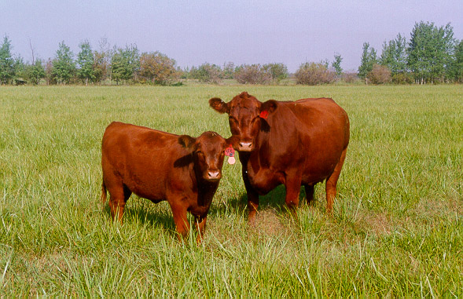

INDUSTRY AT A GLANCE

Cattle

Manitoba Cattle Industry Numbers at a Glance

 | 2019 | 2020 | 2021 | 2022 | 2023
Supply and disposition of cattle (head)
Total supply | 1,516,600 | 1,492,700 | 1,471,000 | 1,426,900 | 1,397,300
Beginning inventory | 1,050,000 | 1,025,000 | 1,005,000 | 985,000 | 940,000
Calves born | 382,200 | 364,200 | 354,300 | 347,300 | 341,200
Interprovincial imports | 75,400 | 80,100 | 95,500 | 91,900 | 110,500
International imports | 9,000 | 23,400 | 16,200 | 2,700 | 5,600
Total disposition | 491,600 | 487,700 | 486,000 | 486,900 | 477,300
MB origin slaughter | 110,900 | 107,200 | 112,800 | 105,100 | 104,300
Killed and Eaten, Int Imports for Slaughter | 3,100 | 2,300 | 2,300 | 2,300 | 2,300
Interprovincial exports | 239,600 | 265,100 | 251,800 | 236,500 | 256,100
International exports | 95,600 | 69,100 | 75,000 | 99,000 | 70,600
Deaths and condemnations | 45,500 | 46,300 | 46,400 | 46,300 | 46,300
Ending inventory | 1,025,000 | 1,005,000 | 985,000 | 940,000 | 920,000
Source: Statistics Canada

FCR Marketings
Marketings (head) | 443,030 | 439,030 | 437,185 | 438,260 | 428,791
Slaughter | 24% | 24% | 25% | 23% | 24%
Interprovincial exports | 54% | 60% | 58% | 54% | 60%
International exports | 22% | 16% | 17% | 23% | 16%
Source: Statistics Canada, calculations Manitoba Agriculture

Farm Cash Receipts
Farm Cash Receipts | $619,089,000 | $598,300,000 | $627,188,000 | $707,214,000 | $948,992,000
Source: Statistics Canada

Canadian per capita beef, available for consumption eviscerated weight, kg
Per Capita Disappearance (kg) carcass weight | 25.44 | 25.95 | 24.09 | 24.84 | 23.05
Source: Statistics Canada

International Trade
Cattle
International Imports quantity (head) | 8,933 | 23,305 | 16,158 | 2,732 | 5,526
International Imports value $ | $7,823,204 | $16,794,135 | $14,942,071 | $5,314,092 | $10,946,190
International Exports quantity (head) | 95,630 | 69,030 | 74,885 | 98,960 | 70,691
International Exports value $ | $138,028,486 | $99,788,009 | $108,242,032 | $161,521,365 | $158,439,454
Beef
International Imports quantity (kg) | 1,059,828 | 1,386,293 | 1,175,676 | 1,974,037 | 2,361,493
International Imports value $ | $9,708,998 | $12,125,558 | $11,966,803 | $22,061,622 | $24,491,994
International Exports quantity (kg) | 310,990 | 493,648 | 246,627 | 0 | 0
International Exports value $ | $431,789 | $796,996 | $967,126 | $0 | $0
Source: AAFC, Catsnet

Manitoba Cattle Prices, $/cwt
Feeder Steer Calves 500-600lbs | $218.95 | $221.06 | $222.54 | $247.10 | $354.89
Feeder Steers 700-800lbs | $192.15 | $186.90 | $192.95 | $216.44 | $304.13
Feeder Steers 800-900lbs | $181.65 | $175.63 | $184.12 | $207.37 | $288.39
Cows D1, D2 | $79.22 | $79.25 | $78.16 | $93.56 | $127.79
Source: Canfax, Manitoba Markets
Contact us
www.manitoba.ca/agriculture/markets-and-statistics/
Email us at industryintelligence@gov.mb.ca
Follow us on X @MBGovAg

