Cattle
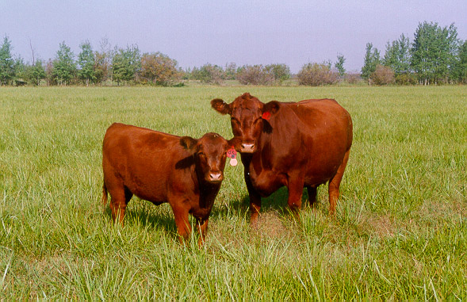

INDUSTRY AT A GLANCE

Cattle

Manitoba Cattle Industry Numbers at a Glance

 | 2020 | 2021 | 2022 | 2023 | 2024
Supply and disposition of cattle (head)
Total supply | 1,492,700 | 1,471,000 | 1,408,200 | 1,377,000 | 1,337,400
Beginning inventory | 1,025,000 | 1,005,000 | 985,000 | 940,000 | 905,000
Calves born | 364,200 | 354,300 | 328,600 | 321,900 | 321,400
Interprovincial imports | 80,100 | 95,500 | 91,900 | 109,500 | 104,700
International imports | 23,400 | 16,200 | 2,700 | 5,600 | 6,300
Total disposition | 487,700 | 486,000 | 468,200 | 472,000 | 427,400
MB origin slaughter | 107,200 | 112,800 | 105,100 | 105,000 | 98,700
Killed and Eaten, Int Imports for Slaughter | 2,300 | 2,300 | 2,300 | 2,300 | 2,300
Interprovincial exports | 265,100 | 251,800 | 217,900 | 251,500 | 231,400
International exports | 69,100 | 75,000 | 99,000 | 70,600 | 53,000
Deaths and condemnations | 46,300 | 46,400 | 46,200 | 44,900 | 44,300
Ending inventory | 1,005,000 | 985,000 | 940,000 | 905,000 | 910,000
Source: Statistics Canada

FCR Marketings
Marketings (head) | 439,030 | 437,185 | 419,660 | 424,891 | 380,714
Slaughter | 24% | 25% | 24% | 24% | 25%
Interprovincial exports | 60% | 58% | 52% | 59% | 61%
International exports | 16% | 17% | 24% | 17% | 14%
Source: Statistics Canada, calculations Manitoba Agriculture

Farm Cash Receipts
Farm Cash Receipts | $598,300,000 | $627,188,000 | $679,978,000 | $941,749,000 | $982,189,000
Source: Statistics Canada

Canadian per capita beef, available for consumption eviscerated weight, kg
Per Capita Disappearance (kg) carcass weight | 25.95 | 24.09 | 24.84 | 23.05 | 22.97
Source: Statistics Canada

International Trade
Cattle
International Imports quantity (head) | 23,305 | 16,158 | 2,732 | 5,526 | 6,326
International Imports value $ | $16,794,135 | $14,942,071 | $5,314,092 | $10,946,190 | $9,030,683
International Exports quantity (head) | 69,030 | 74,885 | 98,960 | 70,691 | 52,914
International Exports value $ | $99,788,009 | $108,242,032 | $161,521,365 | $158,439,454 | $133,389,009
Beef
International Imports quantity (kg) | 1,386,293 | 1,175,676 | 1,974,037 | 2,361,493 | 1,429,014
International Imports value $ | $12,125,558 | $11,966,803 | $22,061,622 | $24,491,994 | $13,887,356
International Exports quantity (kg) | 493,648 | 246,627 | 0 | 0 | 46,587
International Exports value $ | $796,996 | $967,126 | $0 | $0 | $443,278
Source: AAFC, Catsnet

Manitoba Cattle Prices, $/cwt
Feeder Steer Calves 500-600lbs | $221.06 | $222.54 | $247.10 | $354.89 | $419.66
Feeder Steers 700-800lbs | $186.90 | $192.95 | $216.44 | $304.13 | $362.17
Feeder Steers 800-900lbs | $175.63 | $184.12 | $207.37 | $288.39 | $326.80
Cows D1, D2 | $79.25 | $78.16 | $93.56 | $127.79 | $157.80
Source: Canfax, Manitoba Markets
Contact us
www.manitoba.ca/agriculture/markets-and-statistics/
Email us at industryintelligence@gov.mb.ca
Follow us on X @MBGovAg

