Dairy
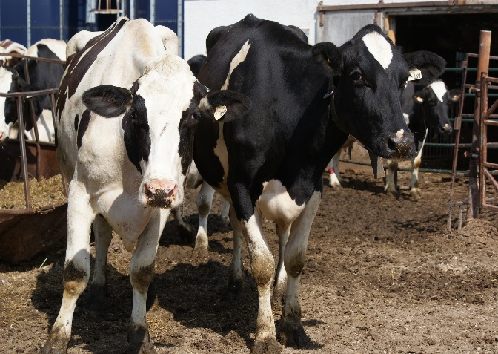

INDUSTRY AT A GLANCE

Dairy

Manitoba Dairy Industry Numbers at a Glance

 | 2018 | 2019 | 2020 | 2021 | 2022
Production at the Farm
Number of dairy cows | 41,200 | 39,900 | 36,800 | 36,700 | 43,200
Number of heifers | 21,500 | 20,800 | 21,700 | 21,800 | 19,900
Number of farms with shipments of milk | 277 | 269 | 263 | 249 | 239
Source: Canadian Dairy Information Centre: Milk Production at the Farm by Province

Farm Sales
Total supply (kilolitres) | 409,135 | 412,007 | 412,431 | 422,266 | 407,032
Fluid milk purposes (kilolitres) | 126,161 | 141,145 | 135,536 | 119,161 | 113,843
Industrial purposes (kilolitres) | 282,971 | 270,862 | 276,895 | 303,105 | 293,191
Source: Canadian Dairy Information Centre: Sales of Fluid Milk and Cream - Manitoba

Farm Cash Receipts
Bovine milk | $300,272,000 | $317,271,000 | $314,880,000 | $325,789,000 | $353,534,000
Source: Statistics Canada

Farm product price milk (bovine) $/kl
 | $733.92 | $770.06 | $763.47 | $771.53 | $868.57
Source: Statistics Canada

Canadian per capita consumption of fluid milk or cream products (litre)
3.25% milk | 10.41 | 11.20 | 11.53 | 11.28 | 11.18
2% milk | 32.78 | 32.40 | 32.55 | 30.94 | 29.90
1% Milk | 11.91 | 10.89 | 11.01 | 10.48 | 9.70
Skim milk | 4.57 | 3.74 | 3.65 | 3.38 | 3.06
Chocolate and other flavoured milk | 5.53 | 5.25 | 4.78 | 4.45 | 4.36
Cereal cream 10% | 3.13 | 3.22 | 3.12 | 2.99 | 2.88
Table cream 18% | 3.90 | 4.21 | 3.83 | 3.78 | 3.82
Whipping cream 32% or 35% | 1.60 | 1.42 | 1.37 | 1.49 | 1.53
Source: Statistics Canada

International Trade
International Imports value $ | $19,914,683 | $22,210,925 | $20,542,163 | $28,896,800 | $29,109,263
International Exports value $ | $16,387,812 | $15,597,482 | $5,977,385 | $7,100,430 | $8,586,357
Source: AAFC, Catsnet
Economic Impacts
 | Total Impact (direct and indirect) |  | Contribution to GDP
2022 | $676,555,852 |  | $181,182,396
Source: MB Bureau of Statistics-Input Output Model
Contact us
For access to more exhaustive data and tables, go to manitoba.ca/agriculture and click on Markets and Statistics
Email us at industryintelligence@gov.mb.ca
Follow us on Twitter @MBGovAg

