Hogs
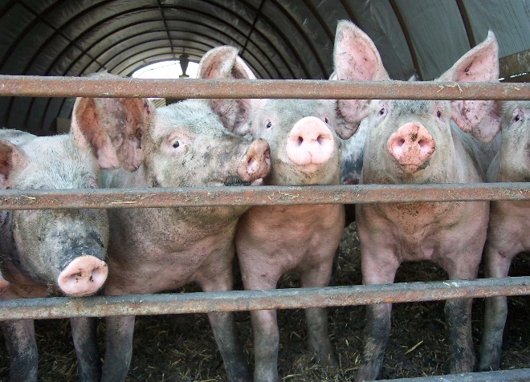

INDUSTRY AT A GLANCE

Hogs

Manitoba Hog Industry Numbers at a Glance

 | 2018 | 2019 | 2020 | 2021 | 2022
Supply and disposition of Hogs (head)
Total supply | 11,490,300 | 11,523,300 | 12,114,200 | 12,253,300 | 11,904,800
Beginning inventory | 3,400,000 | 3,360,000 | 3,310,000 | 3,345,000 | 3,335,000
Pig crop | 7,984,500 | 7,994,400 | 8,601,300 | 8,719,200 | 8,258,800
Interprovincial imports | 105,500 | 168,100 | 202,100 | 188,700 | 310,800
International imports | 300 | 800 | 800 | 400 | 200
Total disposition | 8,130,300 | 8,213,300 | 8,769,200 | 8,918,300 | 8,629,800
MB origin slaughter | 4,617,000 | 4,735,500 | 5,000,400 | 5,020,500 | 4,967,900
Killed and Eaten, Int Imports for Slaughter | 2,400 | 2,400 | 2,600 | 2,800 | 2,800
Interprovincial exports | 49,300 | 75,700 | 99,700 | 69,600 | 140,400
International exports | 3,059,900 | 2,994,700 | 3,233,700 | 3,385,900 | 3,096,400
Deaths and condemnations | 404,100 | 407,400 | 435,400 | 442,300 | 425,100
Ending inventory | 3,360,000 | 3,310,000 | 3,345,000 | 3,335,000 | 3,275,000
Source: Statistics Canada

FCR Marketings
Marketings (head) | 7,710,531 | 7,768,255 | 8,331,269 | 8,473,192 | 8,201,875
Slaughter | 60% | 61% | 60% | 59% | 61%
Interprovincial exports | 1% | 1% | 1% | 1% | 2%
International exports | 40% | 39% | 39% | 40% | 38%
Source: Statistics Canada, calculations Manitoba Agriculture

Farm Cash Receipts
Farm Cash Receipts | $986,222,000 | $1,092,032,000 | $1,055,076,000 | $1,407,557,000 | $1,507,493,000
Source: Statistics Canada

Canadian per capita pork, available for consumption eviscerated weight, kg
Per Capita Disappearance (kg) carcass weight | 21.66 | 22.08 | 18.77 | 18.92 | 20.17
Source: Statistics Canada

International Trade
Hogs
International Imports quantity (head) | 287 | 767 | 791 | 409 | 215
International Imports value $ | $215,783 | $744,898 | $697,879 | $289,644 | $202,539
International Exports quantity (head) | 3,059,931 | 2,994,692 | 3,233,769 | 3,385,892 | 3,096,375
International Exports value $ | $218,012,340 | $225,762,735 | $173,355,592 | $272,643,222 | $255,917,838
Pork
International Imports quantity (kg) | 17,824,395 | 21,606,707 | 35,716,558 | 24,704,484 | 25,821,058
International Imports value $ | $117,134,462 | $131,971,541 | $187,501,199 | $191,139,527 | $210,940,081
International Exports quantity (kg) | 326,128,314 | 323,793,663 | 383,290,461 | 382,883,328 | 368,514,538
International Exports value $ | $1,030,083,458 | $1,205,178,404 | $1,481,588,085 | $1,500,547,653 | $1,364,729,032
Source: AAFC, Catsnet

Manitoba Hog Prices
Index 100 ($/100kg) | $156.03 | $170.31 | $165.57 | $211.50 | $235.55
Isowean Pig ($/hd) | $50.01 | $56.70 | $41.34 | $55.03 | $59.69
Feeder Pig ($/hd) | $63.38 | $72.71 | $53.95 | $81.42 | $78.50
Source: Manitoba Markets, AAFC CATSNET

Economic Impacts
 | Total Impact (direct and indirect) |  | Contribution to GDP
2022 | $2,884,586,393 |  | $772,495,386
Source: MB Bureau of Statistics-Input Output Model

Contact us
For access to more exhaustive data and tables, go to manitoba.ca/agriculture and click on Markets and Statistics
Email us at industryintelligence@gov.mb.ca
Follow us on Twitter @MBGovAg

