Sheep & Lamb
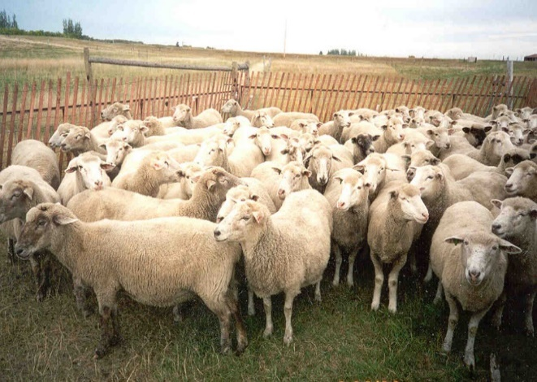

INDUSTRY AT A GLANCE

Sheep and Lamb

Manitoba Sheep and Lamb Industry Numbers at a Glance

 | 2019 | 2020 | 2021 | 2022 | 2023
Supply and disposition of sheep and lambs
Total supply of sheep and lambs | 169,000 | 167,500 | 163,900 | 166,600 | 160,100
Beginning inventory of sheep and lambs | 94,000 | 88,700 | 90,900 | 82,500 | 81,000
Lambs born | 62,500 | 61,500 | 60,500 | 70,600 | 66,800
Interprovincial imports of sheep and lambs | 12,500 | 17,300 | 10,100 | 13,500 | 12,300
International imports of sheep and lambs | 0 | 0 | 2,400 | 0 | 0
Total disposition of sheep and lambs | 80,300 | 76,600 | 81,400 | 85,600 | 81,300
MB origin slaughter of sheep and lambs | 22,000 | 23,200 | 24,200 | 25,000 | 22,800
Killed and Eaten, Int Imports for Slaughter | 2,300 | 2,200 | 2,200 | 2,300 | 1,900
Interprovincial exports of sheep and lambs | 45,600 | 40,700 | 44,400 | 47,600 | 46,300
International exports of sheep and lambs | 0 | 0 | 0 | 0 | 0
Deaths and condemnations of sheep and lambs | 12,700 | 12,700 | 12,800 | 13,000 | 12,200
Ending inventory of sheep and lambs | 88,700 | 90,900 | 82,500 | 81,000 | 78,800
Source: Statistics Canada

FCR Marketings
Marketings | 65,300 | 61,700 | 66,400 | 70,300 | 67,200
Slaughter | 30% | 34% | 33% | 32% | 31%
Interprovincial exports of sheep and lambs | 70% | 66% | 67% | 68% | 69%
International exports of sheep and lambs | 0% | 0% | 0% | 0% | 0%
 |  |  |  |  | Source: Statistics Canada, calculations Manitoba Agriculture

Farm Cash Receipts
Farm Cash Receipts* | $10,334,000 | $12,064,000 | $14,520,000 | $13,230,000 | $11,434,000
 |  |  |  |  | Source: Statistics Canada

Canadian per capita mutton and lamb available for consumption eviscerated weight, kg
Per Capita Disappearance (kg) carcass weight | 0.97 | 1 | 0.98 | 1.1 | 1.06
Source: Statistics Canada

International Trade
Live Sheep and Lamb
International Imports quantity (head) | 19 | 4 | 2,377 | 0 | 5
International Imports value $ | $5,633 | $1,127 | $387,574 | $0 | $7,207
International Exports quantity (head) | 0 | 0 | 0 | 0 | 0
International Exports value $ | $0 | $0 | $0 | $0 | $0
Lamb meat
International Imports quantity (kg) | 0 | 14 | 2 | 3 | 0
International Imports value $ | $0 | $197 | $32 | $41 | $0
International Exports quantity (kg) | 0 | 281,418 | 1,272,518 | 0 | 0
International Exports value $ | $0 | $687,273 | $2,592,029 | $0 | $0
Source: AAFC, Catsnet

Manitoba Sheep and Lamb Prices
Ewe $/cwt | $136.58 | $132.74 | $149.67 | $120.13 | $97.57
Lamb 100+ lb, $/cwt | $184.62 | $242.13 | $244.79 | $210.82 | $204.25
Source: Manitoba Markets
Contact us
www.manitoba.ca/agriculture/markets-and-statistics/
Email us at industryintelligence@gov.mb.ca
Follow us on X @MBGovAg

