Apatite photos
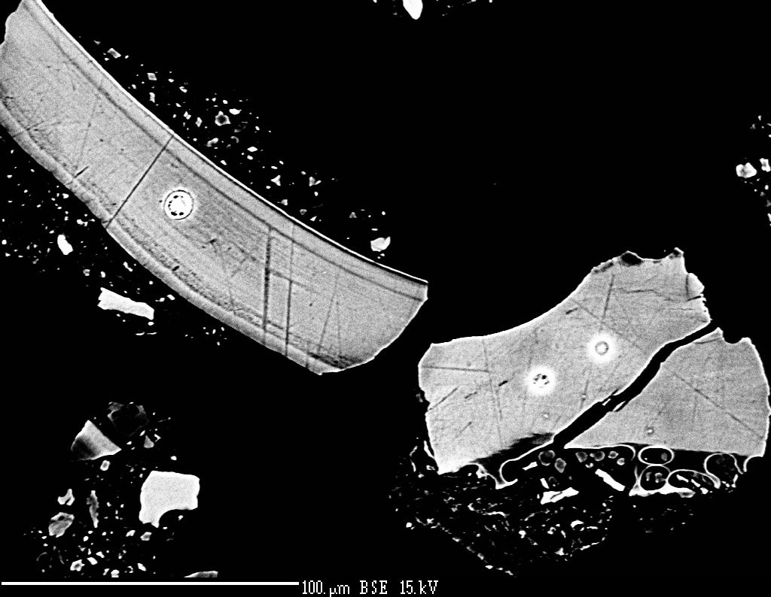
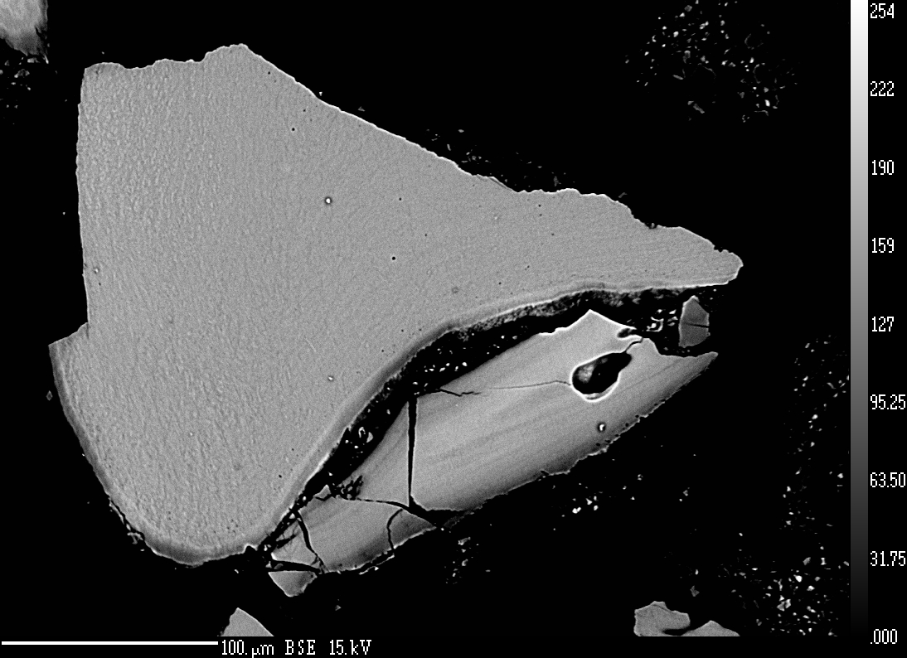

Figure 1: BSE imagery of apatite grains from round grain mount showing beam damage. | Figure 2: BSE imagery of apatite grains showing little to no chemical zonation.

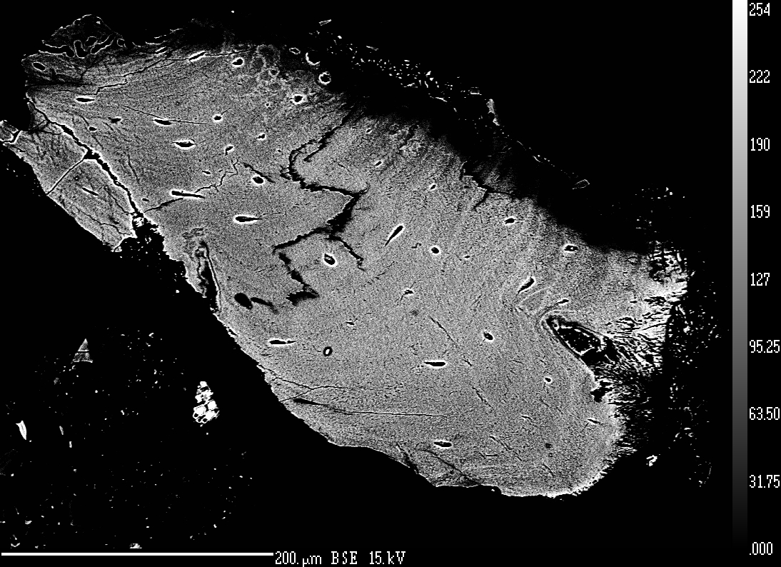

Figure 3: BSE imagery of apatite grain with cavities.

