Tab 1_1
Tab 1_1: Concordia diagram for all data combined from columbite grains of Li-bearing pegmatites.
 |  |  |  |  |  |  |  |  |  |  |  |  |  |  |  |  |  |  | IsoDat1
4.1 | 0.29255876062 | 4.3496324159 | 0.30175388825 | 4.6201147547 | 0.31188987466 | 4.9042728901 | 0.32210478398 | 5.2027982789 | 0.33239923076 | 5.5164173385 | 0.34277383429 | 4.0784317332 | 0.29169621499 | 4.1 | 0.29198476396 | 4.1 | 0.29313275729 | 4.62 | 0.3107 | 4.9626844663 | 0.31715208384 | 4.9740133606 | 0.31999845043
4.1 | 0.29255876062 | 4.3490302168 | 0.30188054167 | 4.6194635538 | 0.31202126836 | 4.9035692749 | 0.3222409841 | 5.2020386173 | 0.33254030418 | 5.5155977652 | 0.34291984865 | 4.33476588 | 0.30175388825 | 4.1 | 0.29198476396 | 4.1 | 0.29313275729 | 4.717 | 0.3158 | 4.9611997149 | 0.31834188514 | 4.9714883719 | 0.32141161668
4.1428362871 | 0.29426277098 | 4.3472724059 | 0.30199693438 | 4.6175627074 | 0.31214201732 | 4.901515432 | 0.3223661501 | 5.1998211757 | 0.33266994868 | 5.5132054422 | 0.3430540338 | 4.6040385082 | 0.31188987466 | 4.1428362871 | 0.29368506694 | 4.1428362871 | 0.29484047503 | 4.697 | 0.3168 | 4.9568039678 | 0.31946648857 | 4.9640100566 | 0.32271555919
4.1860323679 | 0.29596902778 | 4.3445013906 | 0.30209363694 | 4.6145662108 | 0.31224233918 | 4.8982777514 | 0.32247014177 | 5.196325598 | 0.33277766122 | 5.5094341813 | 0.34316551885 | 4.8869026884 | 0.32210478398 | 4.1860323679 | 0.29538760758 | 4.1860323679 | 0.29655044799 | 4.904 | 0.3217 | 4.9495347281 | 0.32051629941 | 4.9517239715 | 0.3238848982
4.2295912643 | 0.29767753398 | 4.3409416622 | 0.30216281508 | 4.6107168223 | 0.31231410647 | 4.894118531 | 0.32254453432 | 5.1918350751 | 0.33285471557 | 5.5045895076 | 0.34324527195 | 5.1840444552 | 0.33239923076 | 4.2295912643 | 0.29709238882 | 4.2295912643 | 0.29826267914 | 4.94 | 0.3243 | 4.9394540142 | 0.32148236105 | 4.9348692513 | 0.32489687387
4.2735160237 | 0.29938829254 | 4.3368816086 | 0.30219886441 | 4.6063263966 | 0.31235150501 | 4.8893747259 | 0.32258330092 | 5.1867134026 | 0.33289486925 | 5.4990639078 | 0.34328683197 | 5.4961844704 | 0.34277383429 | 4.2735160237 | 0.29879941362 | 4.2735160237 | 0.29997717146 | 4.98 | 0.327 | 4.9266478314 | 0.32235643138 | 4.9137739539 | 0.32573178924
4.3178097192 | 0.30110130643 | 4.3326501513 | 0.30219886441 | 4.6017506197 | 0.31235150501 | 4.884430651 | 0.32258330092 | 5.1813755078 | 0.33289486925 | 5.4933050331 | 0.34328683197 |  |  | 4.3178097192 | 0.30050868492 | 4.3178097192 | 0.30169392795 | 5.01 | 0.3286 | 4.9112254373 | 0.32313105315 | 4.8888486754 | 0.32637339363
4.3624754494 | 0.30281657863 | 4.3285900978 | 0.30216281508 | 4.597360194 | 0.31231410647 | 4.8796868459 | 0.32254453432 | 5.1762538352 | 0.33285471557 | 5.4877794333 | 0.34324527195 |  |  | 4.3624754494 | 0.30222020568 | 4.3624754494 | 0.30341295158 | 4.57 | 0.3114 | 4.8933184105 | 0.32379961755 | 4.8605785578 | 0.32680919893
4.4075163392 | 0.30453411211 | 4.3250303693 | 0.30209363694 | 4.5935108055 | 0.31224233918 | 4.8755276254 | 0.32247014177 | 5.1717633124 | 0.33277766122 | 5.4829347596 | 0.34316551885 |  |  | 4.4075163392 | 0.30393397887 | 4.4075163392 | 0.30513424536 | 4.585 | 0.3125 | 4.8730795274 | 0.32435642064 | 4.829513847 | 0.3270307227
4.4529355397 | 0.30625390986 | 4.3222593541 | 0.30199693438 | 4.5905143089 | 0.31214201732 | 4.8722899449 | 0.3223661501 | 5.1682677347 | 0.33266994868 | 5.4791634987 | 0.3430540338 |  |  | 4.4529355397 | 0.30565000744 | 4.4529355397 | 0.30685781228 | 4.6 | 0.3144 | 4.850681459 | 0.32479671197 | 4.7962591821 | 0.32703365323
4.4987362285 | 0.30797597486 | 4.3205015432 | 0.30188054167 | 4.5886134625 | 0.31202126836 | 4.870236102 | 0.3222409841 | 5.1660502931 | 0.33254030418 | 5.4767711757 | 0.34291984865 |  |  | 4.4987362285 | 0.30736829436 | 4.4987362285 | 0.30858365535 | 4.672 | 0.3148 | 4.8263152978 | 0.32511673511 | 4.7614618273 | 0.32681793348
4.5449216097 | 0.30970031009 | 4.319899344 | 0.30175388825 | 4.5879622616 | 0.31188987466 | 4.8695324867 | 0.32210478398 | 5.1652906314 | 0.33239923076 | 5.4759516024 | 0.34277383429 |  |  | 4.5449216097 | 0.30908884261 | 4.5449216097 | 0.31031177757 | 4.6 | 0.3164 | 4.8001889271 | 0.32531375976 | 4.7257990737 | 0.32638776219
4.5914949144 | 0.31142691856 | 4.3205015432 | 0.30162723484 | 4.5886134625 | 0.31175848096 | 4.870236102 | 0.32196858386 | 5.1660502931 | 0.33225815733 | 5.4767711757 | 0.34262781992 |  |  | 4.5914949144 | 0.31081165517 | 4.5914949144 | 0.31204218195 | 4.73 | 0.317 | 4.7725252481 | 0.32538610496 | 4.6899650561 | 0.32575151214
4.638459401 | 0.31315580325 | 4.3222593541 | 0.30151084212 | 4.5905143089 | 0.311637732 | 4.8722899449 | 0.32184341787 | 5.1682677347 | 0.33212851283 | 5.4791634987 | 0.34249363478 |  |  | 4.638459401 | 0.31253673501 | 4.638459401 | 0.3137748715 | 4.761 | 0.3183 | 4.7435602774 | 0.32533315349 | 4.654657243 | 0.32492156724
4.6858183552 | 0.31488696718 | 4.3250303693 | 0.30141413956 | 4.5935108055 | 0.31153741013 | 4.8755276254 | 0.3217394262 | 5.1717633124 | 0.3320208003 | 5.4829347596 | 0.34238214973 |  |  | 4.6858183552 | 0.31426408511 | 4.6858183552 | 0.31550984924 | 4.767 | 0.3183 | 4.713541134 | 0.32515535712 | 4.6205628607 | 0.3239140814
4.73357509 | 0.31662041333 | 4.3285900978 | 0.30134496142 | 4.597360194 | 0.31146564285 | 4.8796868459 | 0.32166503364 | 5.1762538352 | 0.33194374594 | 5.4877794333 | 0.34230239663 |  |  | 4.73357509 | 0.31599370847 | 4.73357509 | 0.3172471182 | 4.656 | 0.3187 | 4.6827239306 | 0.32485423273 | 4.5883455176 | 0.3227486642
4.7817329467 | 0.31835614473 | 4.3326501513 | 0.3013089121 | 4.6017506197 | 0.3114282443 | 4.884430651 | 0.32162626705 | 5.1813755078 | 0.33190359226 | 5.4933050331 | 0.34226083661 |  |  | 4.7817329467 | 0.31772560807 | 4.7817329467 | 0.31898668139 | 4.76 | 0.3196 | 4.6513715888 | 0.32443234942 | 4.5586322877 | 0.32144799915
4.8302952942 | 0.32009416439 | 4.3368816086 | 0.3013089121 | 4.6063263966 | 0.3114282443 | 4.8893747259 | 0.32162626705 | 5.1867134026 | 0.33190359226 | 5.4990639078 | 0.34226083661 |  |  | 4.8302952942 | 0.31945978692 | 4.8302952942 | 0.32072854186 | 4.7 | 0.3213 | 4.6197515956 | 0.32389330655 | 4.5320015052 | 0.32003740222
4.8792655302 | 0.32183447531 | 4.3409416622 | 0.30134496142 | 4.6107168223 | 0.31146564285 | 4.894118531 | 0.32166503364 | 5.1918350751 | 0.33194374594 | 5.5045895076 | 0.34230239663 |  |  | 4.8792655302 | 0.321196248 | 4.8792655302 | 0.32247270263 | 4.849 | 0.3213 | 4.5881337218 | 0.32324170304 | 4.5089715079 | 0.31854432908
4.9286470805 | 0.32357708053 | 4.3445013906 | 0.30141413956 | 4.6145662108 | 0.31153741013 | 4.8982777514 | 0.3217394262 | 5.196325598 | 0.3320208003 | 5.5094341813 | 0.34238214973 |  |  | 4.9286470805 | 0.32293499433 | 4.9286470805 | 0.32421916674 | 4.958 | 0.3244 | 4.5567877197 | 0.32248309814 | 4.4899905486 | 0.3169978407
4.9784433998 | 0.32532198307 | 4.3472724059 | 0.30151084212 | 4.6175627074 | 0.311637732 | 4.901515432 | 0.32184341787 | 5.1998211757 | 0.33212851283 | 5.5132054422 | 0.34249363478 |  |  | 4.9784433998 | 0.32467602891 | 4.9784433998 | 0.32596793723 |  |  | 4.5259810226 | 0.321623964 | 4.47542807 | 0.31542803771
5.028657972 | 0.32706918595 | 4.3490302168 | 0.30162723484 | 4.6194635538 | 0.31175848096 | 4.9035692749 | 0.32196858386 | 5.2020386173 | 0.33225815733 | 5.5155977652 | 0.34262781992 |  |  | 5.028657972 | 0.32641935476 | 5.028657972 | 0.32771901715 |  |  | 4.4959764622 | 0.32067163046 | 4.4655675143 | 0.31386547454
5.0792943101 | 0.32881869221 | 4.3496324159 | 0.30175388825 | 4.6201147547 | 0.31188987466 | 4.9042728901 | 0.32210478398 | 5.2027982789 | 0.33239923076 | 5.5164173385 | 0.34277383429 |  |  | 5.0792943101 | 0.32816497488 | 5.0792943101 | 0.32947240954 |  |  | 4.467030027 | 0.31963422248 | 4.4606008059 | 0.31234056471
5.1303559565 | 0.33057050489 |  |  |  |  |  |  |  |  |  |  |  |  | 5.1303559565 | 0.3299128923 | 5.1303559565 | 0.33122811747 |  |  | 4.4393886776 | 0.31852059086 | 4.4606246162 | 0.31088298885
5.1818464836 | 0.33232462702 |  |  |  |  |  |  |  |  |  |  |  |  | 5.1818464836 | 0.33166311004 | 5.1818464836 | 0.33298614399 |  |  | 4.4132882403 | 0.31734023671 | 4.4656384817 | 0.30952111702
5.2337694936 | 0.33408106165 |  |  |  |  |  |  |  |  |  |  |  |  | 5.2337694936 | 0.33341563113 | 5.2337694936 | 0.33474649216 |  |  | 4.3889513949 | 0.31610323041 | 4.4755448132 | 0.30828145651
5.2861286191 | 0.33583981183 |  |  |  |  |  |  |  |  |  |  |  |  | 5.2861286191 | 0.33517045861 | 5.2861286191 | 0.33650916505 |  |  | 4.3665857747 | 0.31482012566 | 4.4901507953 | 0.30718813589
5.3389275231 | 0.33760088061 |  |  |  |  |  |  |  |  |  |  |  |  | 5.3389275231 | 0.33692759549 | 5.3389275231 | 0.33827416573 |  |  | 4.3463821953 | 0.31350186944 | 4.5091721392 | 0.30626243542
5.3921698995 | 0.33936427105 |  |  |  |  |  |  |  |  |  |  |  |  | 5.3921698995 | 0.33868704483 | 5.3921698995 | 0.34004149727 |  |  | 4.3285130266 | 0.31215970866 | 4.5322386159 | 0.30552237278
5.4458594731 | 0.34112998621 |  |  |  |  |  |  |  |  |  |  |  |  | 5.4458594731 | 0.34044880967 | 5.4458594731 | 0.34181116274 |  |  | 4.3131307219 | 0.31080509416 | 4.5589012628 | 0.30498235247
5.5 | 0.34289802915 |  |  |  |  |  |  |  |  |  |  |  |  | 5.5 | 0.34221289305 | 5.5 | 0.34358316524 |  |  | 4.3003665177 | 0.30944958304 | 4.5886411218 | 0.30465288537
5.5 | 0.34289802915 |  |  |  |  |  |  |  |  |  |  |  |  | 5.5 | 0.34221289305 | 5.5 | 0.34358316524 |  |  | 4.2903293137 | 0.30810474003 | 4.6208793404 | 0.30454038417
 |  |  |  |  |  |  |  |  |  |  |  |  |  |  |  |  |  |  |  | 4.2831047438 | 0.30678203886 | 4.6549884382 | 0.30464703859
 |  |  |  |  |  |  |  |  |  |  |  |  |  |  |  |  |  |  |  | 4.2787544454 | 0.30549276436 | 4.6903045206 | 0.30497077271
 |  |  |  |  |  |  |  |  |  |  |  |  |  |  |  |  |  |  |  | 4.2773155337 | 0.30424791616 | 4.7261402001 | 0.30550528543
 |  |  |  |  |  |  |  |  |  |  |  |  |  |  |  |  |  |  |  | 4.2788002851 | 0.30305811486 | 4.761797976 | 0.30624017305
 |  |  |  |  |  |  |  |  |  |  |  |  |  |  |  |  |  |  |  | 4.2831960322 | 0.30193351143 | 4.7965838103 | 0.30716113183
 |  |  |  |  |  |  |  |  |  |  |  |  |  |  |  |  |  |  |  | 4.2904652719 | 0.30088370059 | 4.8298206362 | 0.30825023636
 |  |  |  |  |  |  |  |  |  |  |  |  |  |  |  |  |  |  |  | 4.3005459858 | 0.29991763895 | 4.8608615368 | 0.30948628844
 |  |  |  |  |  |  |  |  |  |  |  |  |  |  |  |  |  |  |  | 4.3133521686 | 0.29904356862 | 4.8891023362 | 0.31084522974
 |  |  |  |  |  |  |  |  |  |  |  |  |  |  |  |  |  |  |  | 4.3287745627 | 0.29826894685 | 4.9139933594 | 0.31230061001
 |  |  |  |  |  |  |  |  |  |  |  |  |  |  |  |  |  |  |  | 4.3466815895 | 0.29760038245 | 4.9350501309 | 0.31382410192
 |  |  |  |  |  |  |  |  |  |  |  |  |  |  |  |  |  |  |  | 4.3669204726 | 0.29704357936 | 4.9518628047 | 0.31538605244
 |  |  |  |  |  |  |  |  |  |  |  |  |  |  |  |  |  |  |  | 4.389318541 | 0.29660328803 | 4.9641041411 | 0.31695605998
 |  |  |  |  |  |  |  |  |  |  |  |  |  |  |  |  |  |  |  | 4.4136847022 | 0.29628326489 | 4.9715358765 | 0.31850356613
 |  |  |  |  |  |  |  |  |  |  |  |  |  |  |  |  |  |  |  | 4.4398110729 | 0.29608624024 | 4.9740133606 | 0.31999845043
 |  |  |  |  |  |  |  |  |  |  |  |  |  |  |  |  |  |  |  | 4.4674747519 | 0.29601389504
 |  |  |  |  |  |  |  |  |  |  |  |  |  |  |  |  |  |  |  | 4.4964397226 | 0.29606684651
 |  |  |  |  |  |  |  |  |  |  |  |  |  |  |  |  |  |  |  | 4.526458866 | 0.29624464288
 |  |  |  |  |  |  |  |  |  |  |  |  |  |  |  |  |  |  |  | 4.5572760694 | 0.29654576727
...

Tab 1_2
Tab 1_2: BSE imagery of columbite grains with ablation pits represented by red circles.

15-60b Circle 2 Grain 1
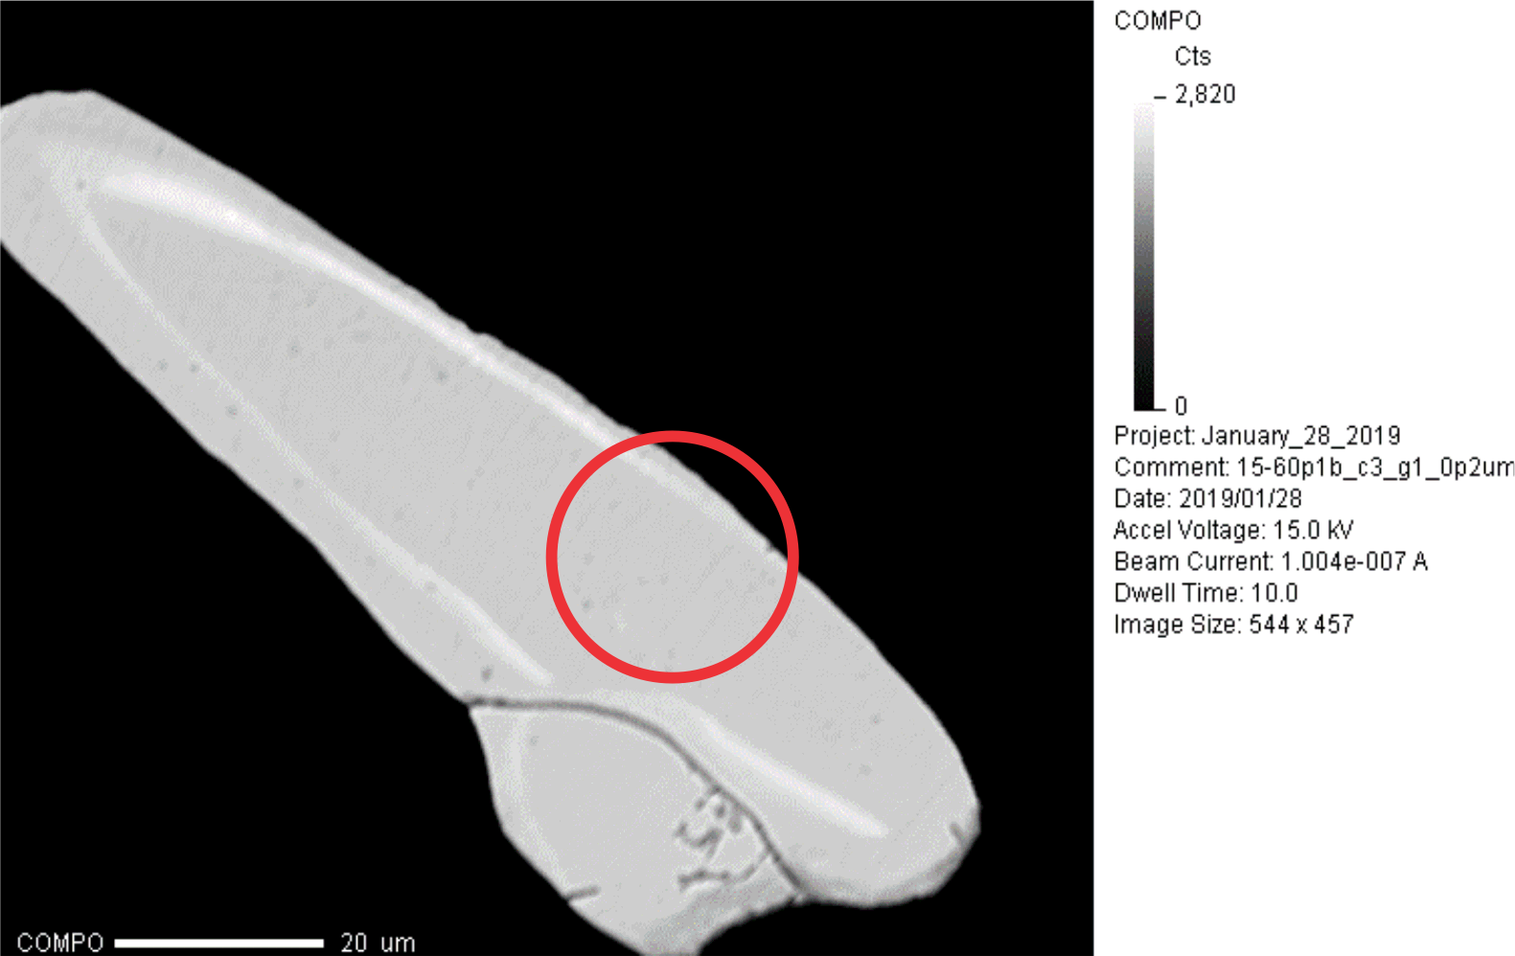
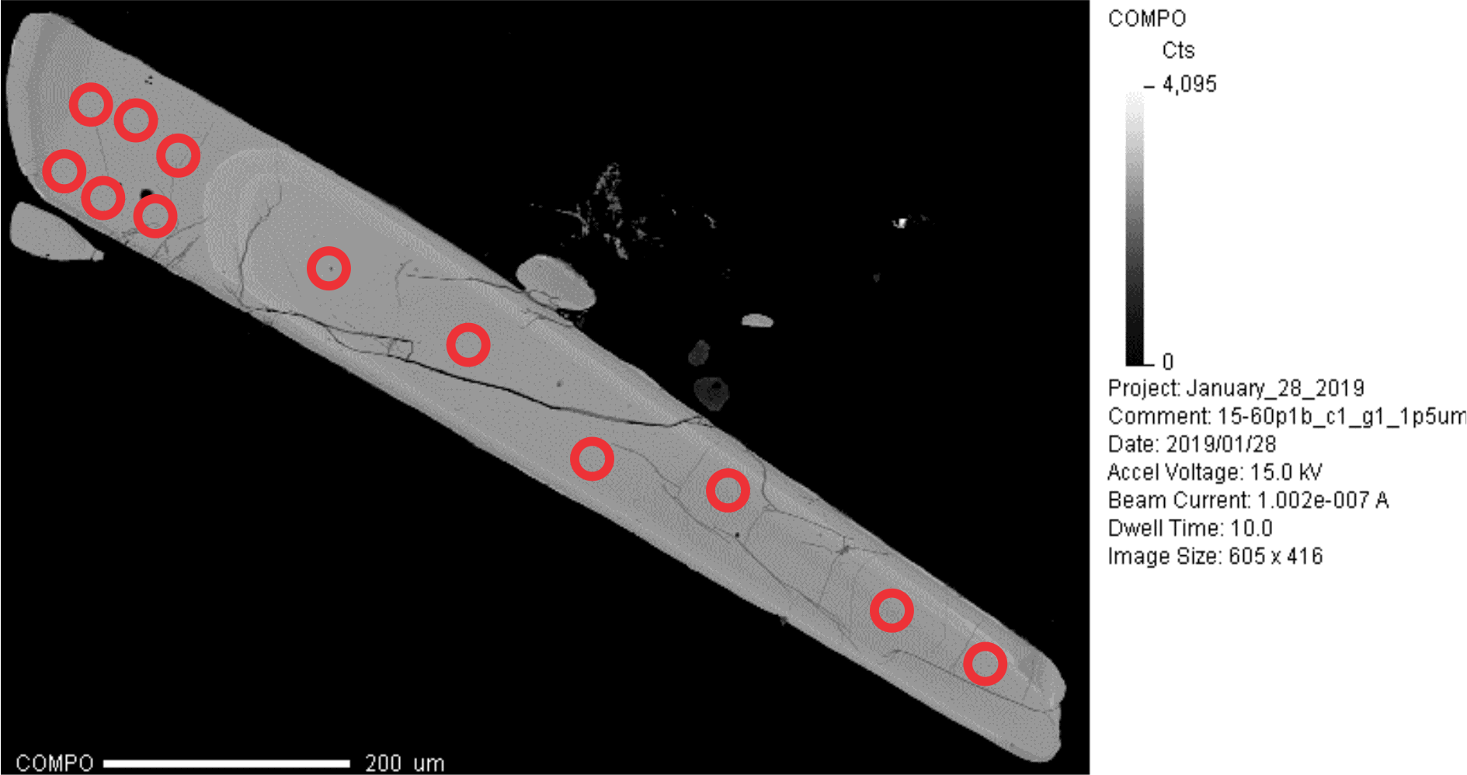
15-60b Circle 1 Grain 1
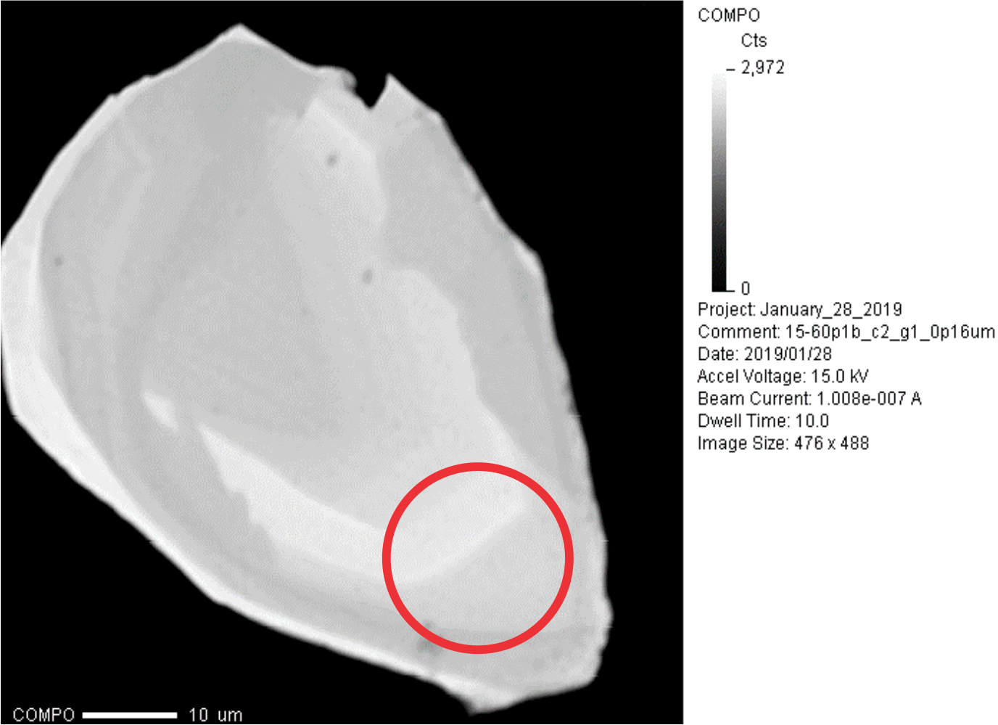
15-60b Circle 3 Grain 1

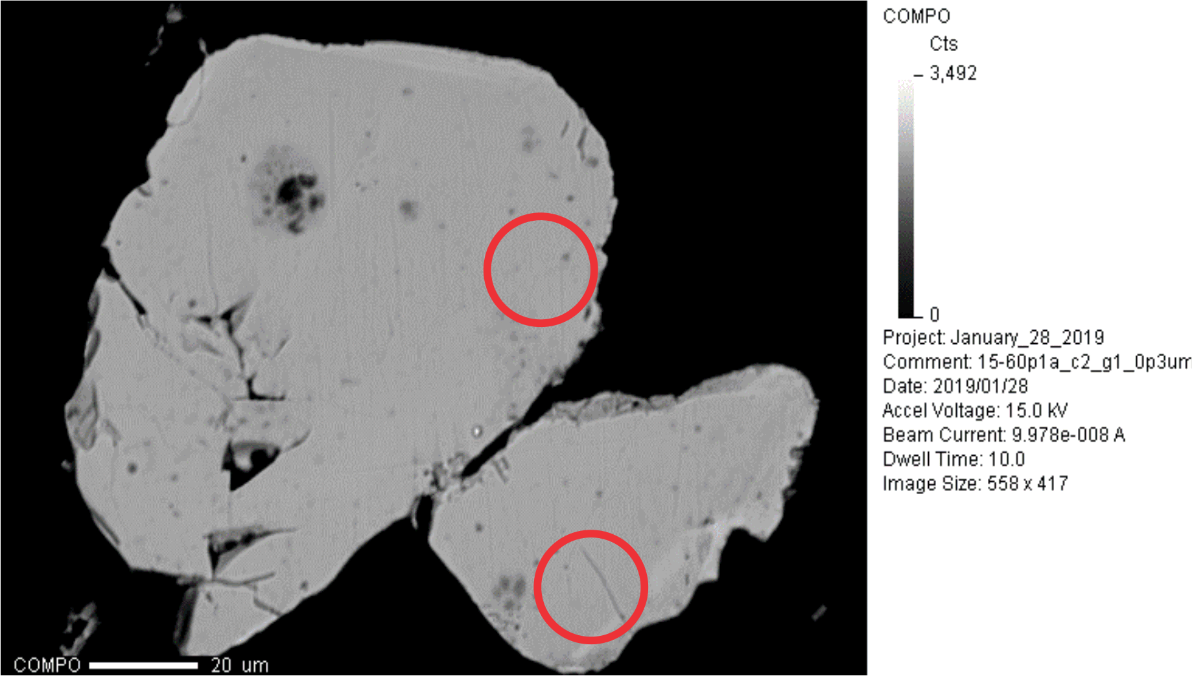
15-60a Circle 2 Grain 1
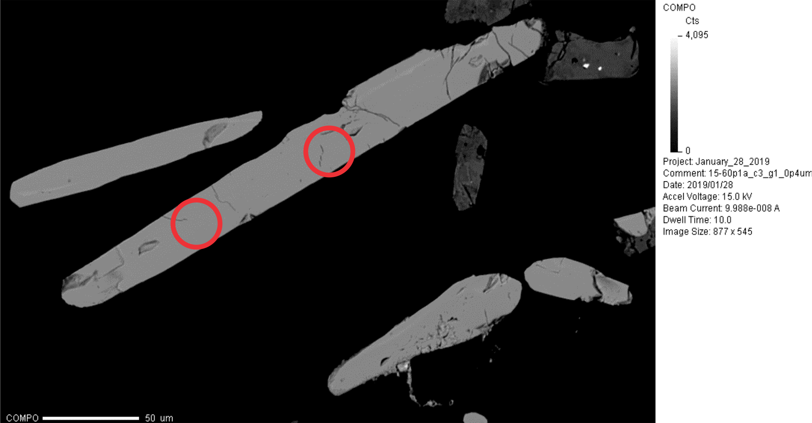
15-60a Circle 3 Grain 1

34-39 Circle 1
34-39 Circle 2 Grain 1
34-39 Circle 3 Grain 1
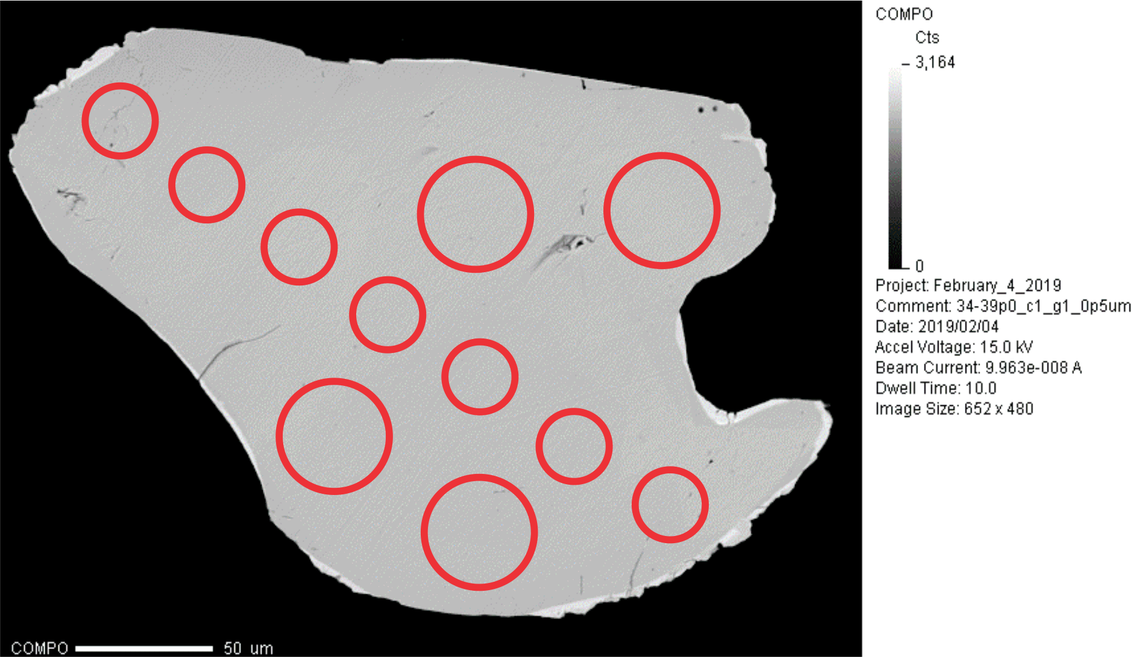
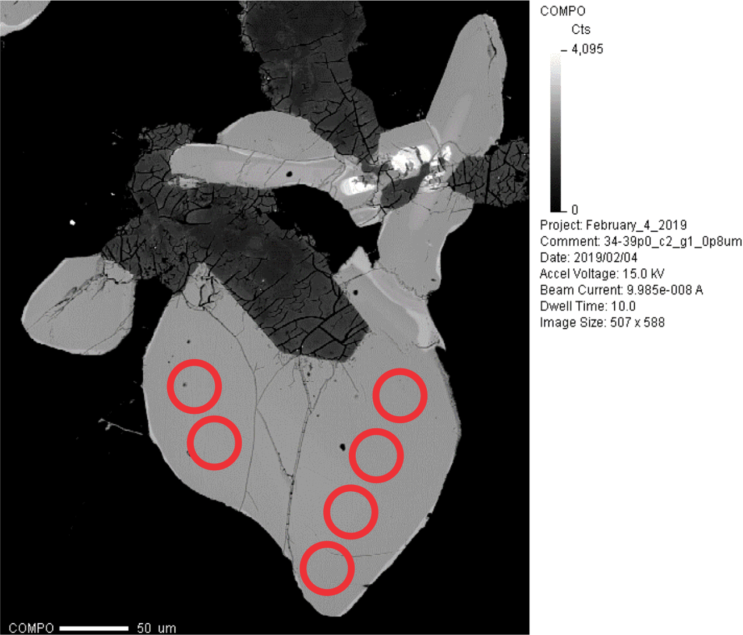
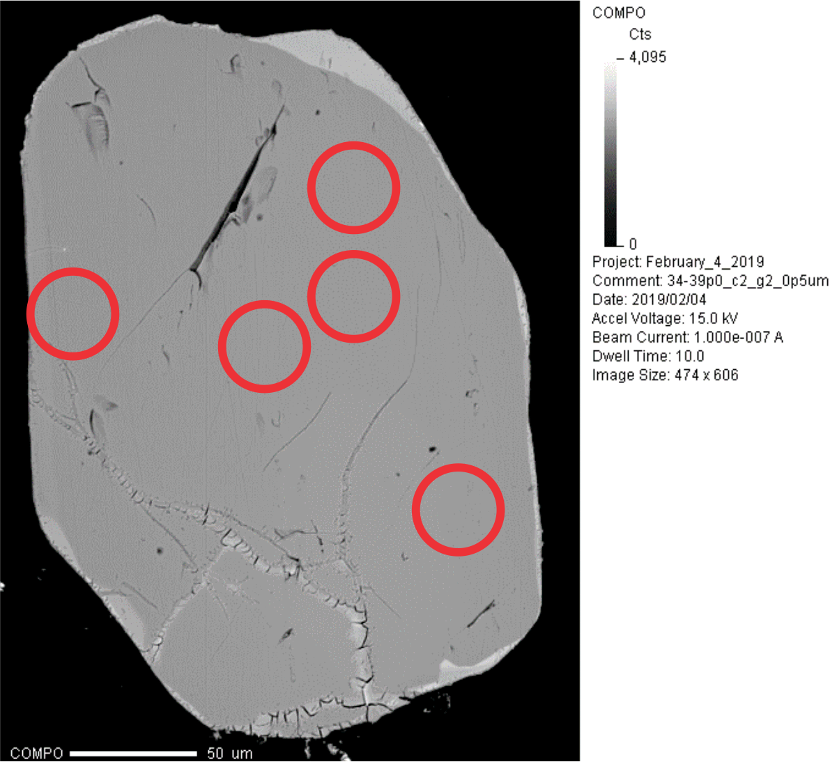
34-39 Circle 2 Grain 2

35-35a Circle 2 Grain 3
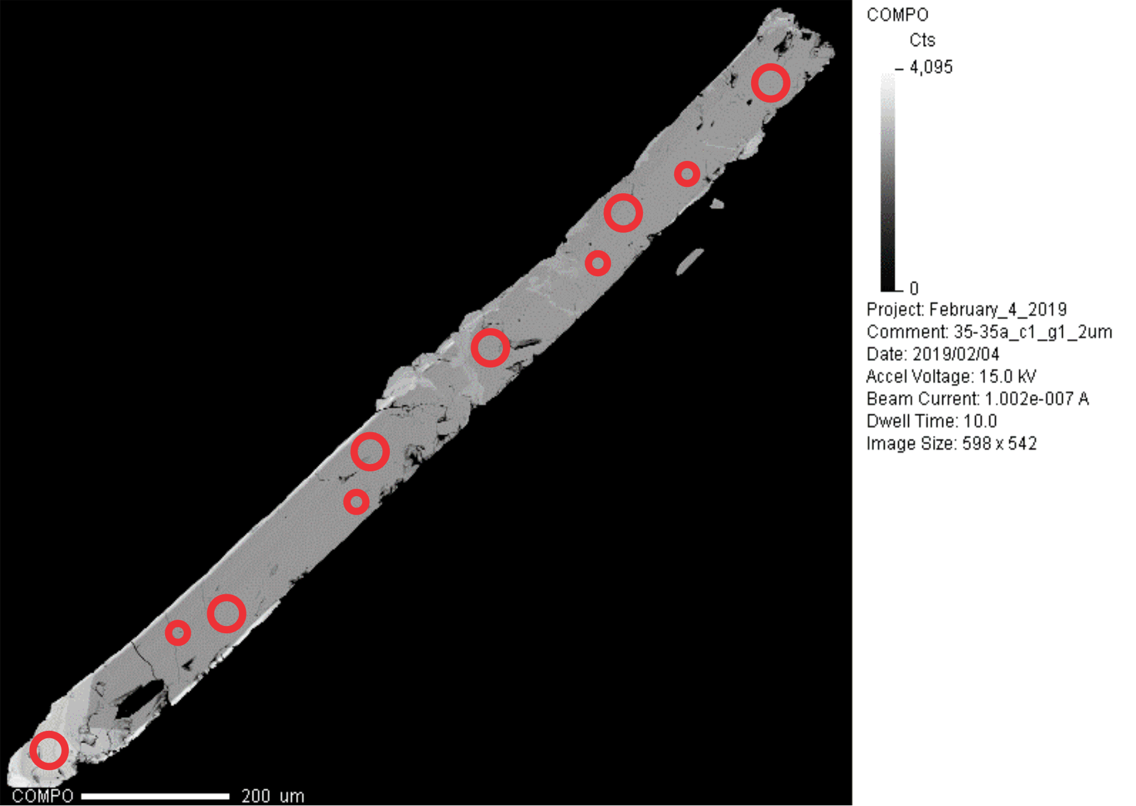
35-35a Circle 1 Grain 1
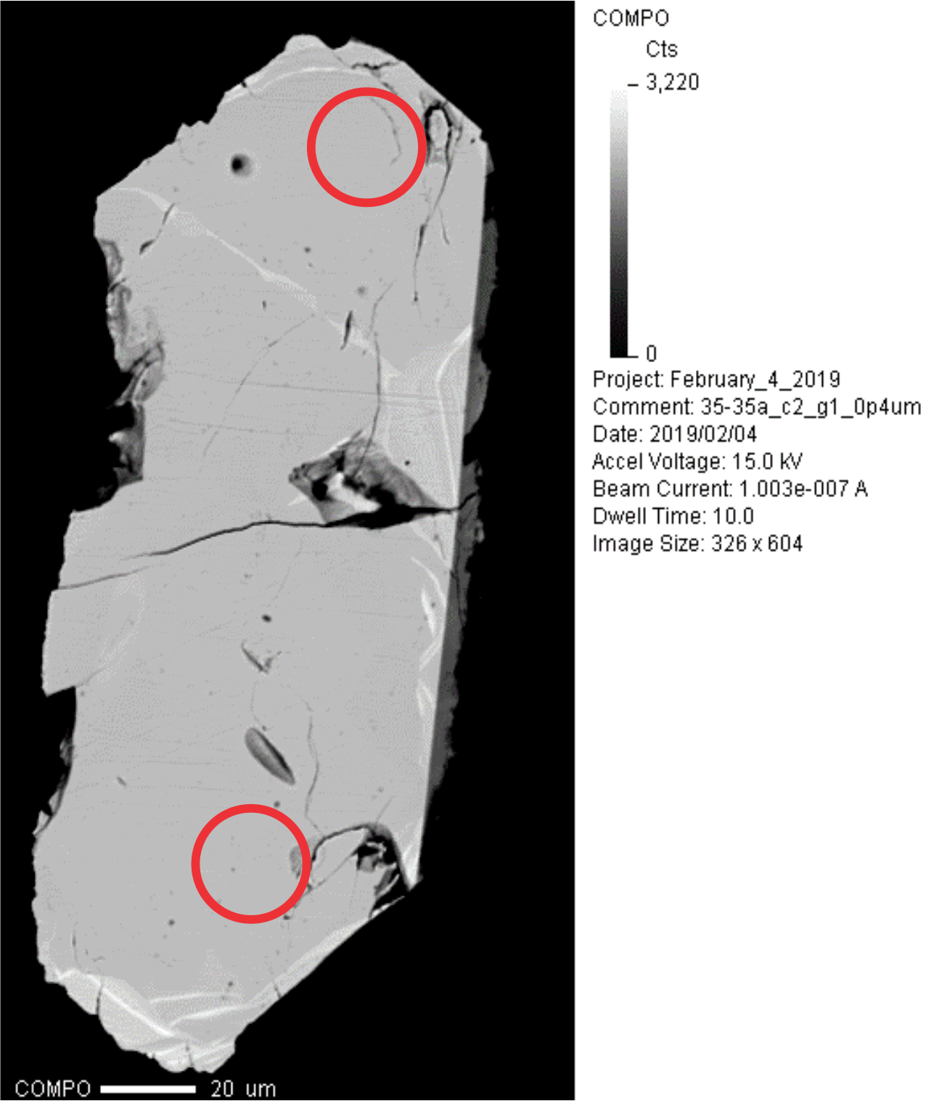
35-35a Circle 2 Grain 1
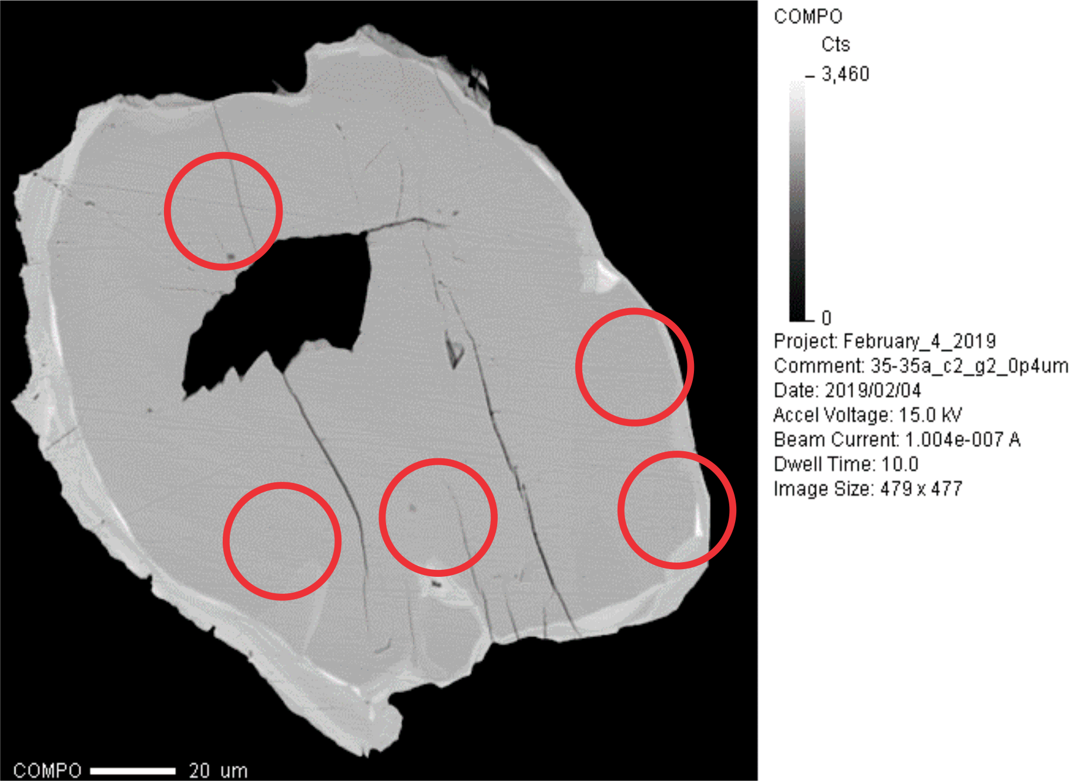
35-35a Circle 2 Grain 2
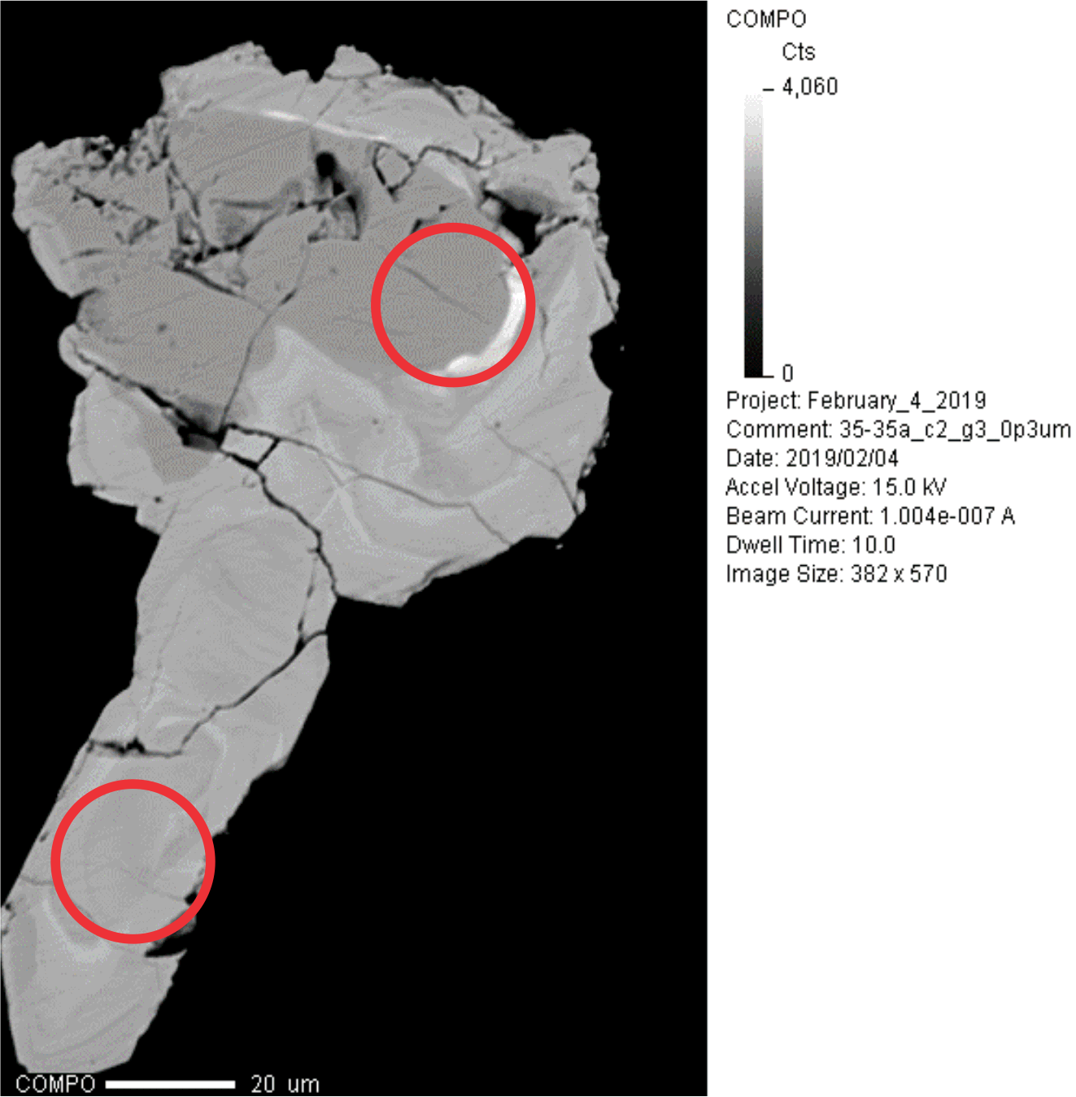
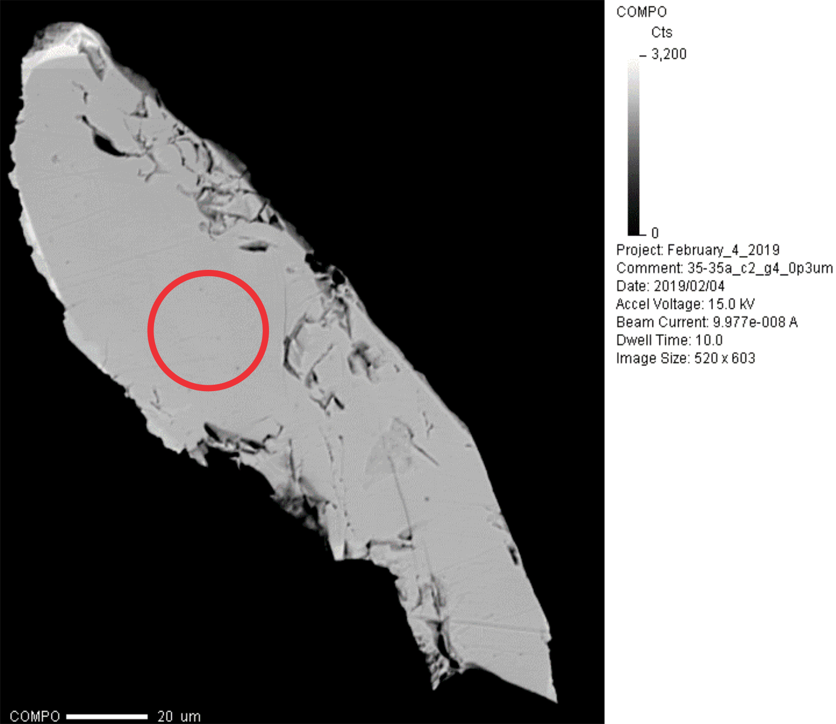
35-35a Circle 2 Grain 4
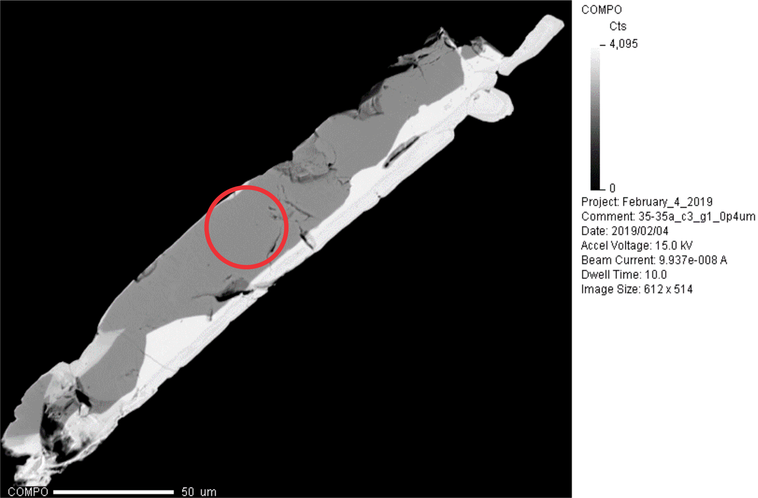
35-35a Circle 3 Grain 1

