Figure 1
Figure 1: Map of the Sandilands topographic high in southeastern Manitoba.
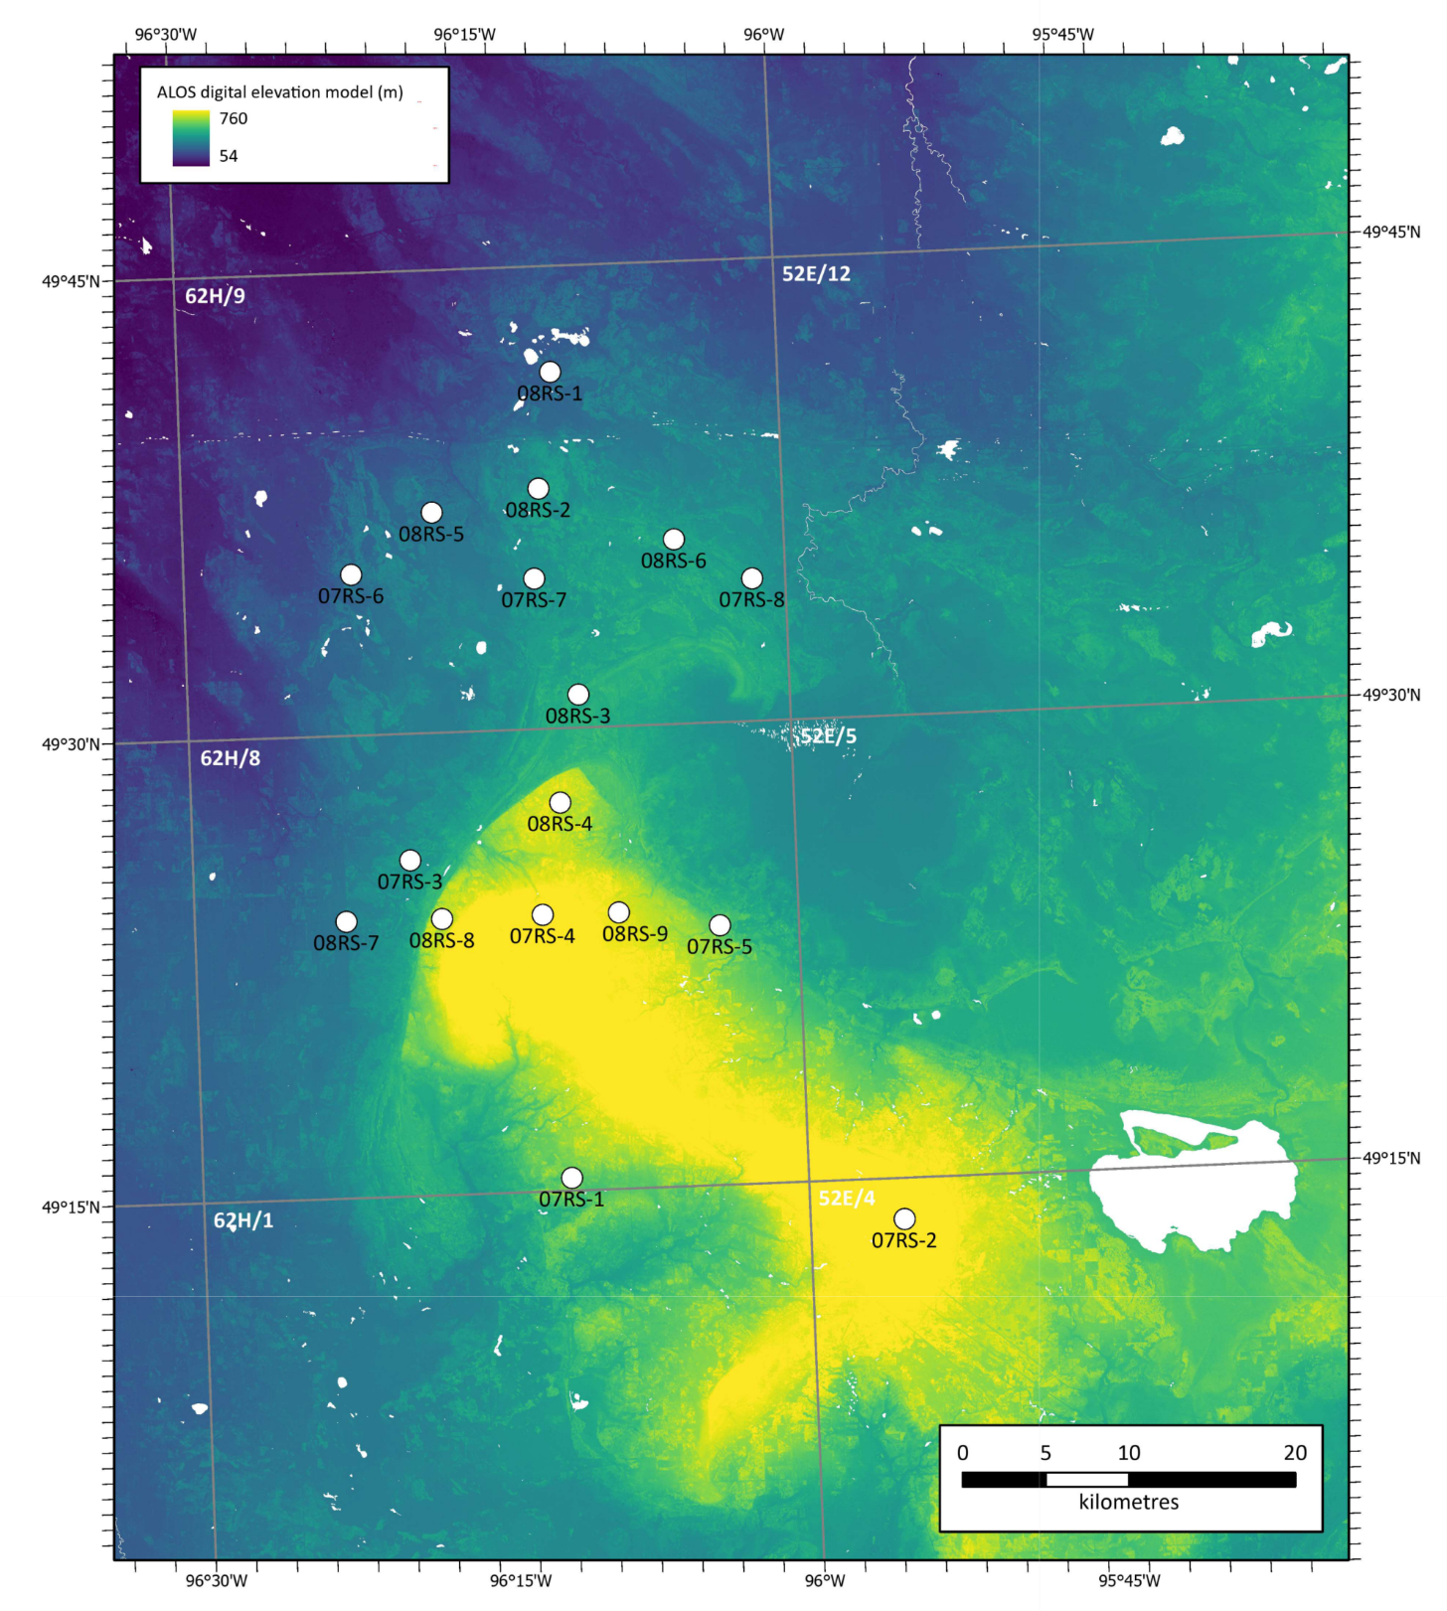

Figure 2
Figure 2: Stratigraphic log of core 07RS-1.
