Introduction
. . . . . . . . . . . . . . . . . . . . . . . . . . . . . . . . . . . . . . . . . . . . . . . . .

Guidelines For Estimating
Beef Feedlot Finishing Costs
For Weight Range of 650 - 1400 lbs.
Based on feeding 500 Steers

 |  | Date: | September, 2023

 | This guide is designed to provide you with planning information and a format for calculating costs of production of a beef cattle feedlot finishing enterprise in Manitoba. General Manitoba Agriculture recommendations are assumed in using feed and veterinary inputs. These figures provide an economic evaluation of the livestock and estimated prices required to cover all costs. Costs include labour, investment and depreciation, but do not include management costs, nor do they necessarily represent the average cost of production in Manitoba.

 | Cattle feeding is a high risk business requiring large amounts of short term capital to buy feeder cattle and feed. With cyclical price variations for both livestock and feed, successful management involves careful consideration of costs, projection of markets and sound judgement.

 | These budgets may be adjusted by putting in your own figures. As a producer you are encouraged to calculate your own costs of production. Good management is assumed in that a balanced ration is being fed, livestock are on a herd health program and handling facilities are included.

 | This tool is available as an Excel worksheet at:


The Farm Machinery Custom and Rental Rate Guide
 | is also available to help
 | determine machinery costs.

 | Note: This budget is only a guide and is not intended as an in-depth study of the cost of production of this industry. Interpretation and use of this information is the responsibility of the user. If you need help with a budget, contact a Farm Management Specialist.

Feedlot
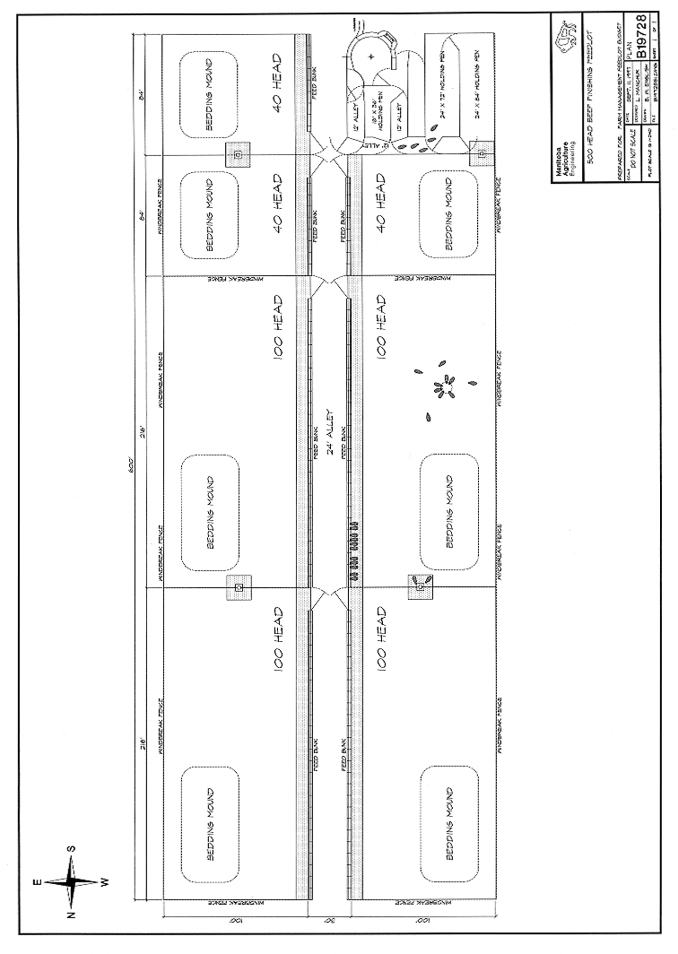
Beef Finishing Feedlot 500 Head

